Chart Tables
 |  |  | Stacked Bar Chart Test
 | 1993-4 | 1994-5 | 1995-6 | 1996-7 | 1997-8 | 1998-9

1Q Sales (Jan) | 0.00 | 3289.50 | 1849.77 | 3992.50 | 7372.25 | 5994.19
2Q Sales (Apr) | 1530.12 | 5038.87 | 4991.66 | 0.00 | 10673.60 | 8009.00
3Q Sales (Jul) | 675.58 | 6531.23 | 9224.58 | 0.00 | 2050.00 | 2050.00
4Q Sales (Oct) | 3901.00 | 837.05 | 5299.37 | 0.00 | 3068.50 | 14289.50
Total | 6106.70 | 15696.65 | 21365.38 | 3992.50 | 23164.35 | 30342.69
1H % of whole | 25% | 53% | 32% | 100% | 78% | 46%

Test
 | Coal | Oil | Natural Gas | Oil Sands | Shale Oil | Shale Gas
Coal | 2429 |  | 0 | 0 | 0 | 0
Oil | 0 | 475 |  | 79 | 0
Gas | 0 | 0 | 271 | 0 | 0 | 25

GtCO2 by Fossil Fuel Type
 | Coal | Oil | Natural Gas | Oil Sands | Shale Oil | Shale Gas
Coal | 3385 |  | 0 | 0 | 0 | 0
Oil | 0 | 686 |  | 177 | 166
Gas | 0 | 0 | 327 | 0 | 0 | 373

Non-Fuel Usage |  | 2022 | Net burnt | GtCO2 | Non-Fuel Usage |  | 2005
4.5% | Coal | 3544556400000 | 3385051362000 | 3385 | 4.5% | Coal | 2543689500000 | 2429223472500 | 2429
7.0% | Oil | 7.3748661067E+11 | 6.8586254792E+11 | 686 | 7.0% | Oil | 5.1043357933E+11 | 4.7470322878E+11 | 475
3.75% | Natural Gas | 3.3958485089E+11 | 3.2685041898E+11 | 327 | 3.75% | Natural Gas | 281091766527 | 2.7055082528E+11 | 271
7.0% | Oil Sands | 190490784000 | 177156429120 | 177 | 7.0% | Oil Sands | 84857142857 | 78917142857 | 79
7.0% | Shale Oil | 1.7807997533E+11 | 1.6561437706E+11 | 166 | 7.0% | Shale Oil | 0 | 0 | 0
3.75% | Shale Gas | 3.873242257E+11 | 3.7279956724E+11 | 373 | 3.75% | Shale Gas | 26378494372 | 25389300833 | 25
 |  |  |  | 5113

 |  | Coal | Oil | Gas |  |  | Coal | Oil | Gas
 | Coal | 3385 | 0 | 0 |  | Coal | 2429 | 0 | 0
 | Oil |  | 686 | 0 |  | Oil |  | 475 | 0
 | Natural Gas | 0 |  | 327 |  | Natural Gas | 0 |  | 271
 | Oil Sands | 0 | 177 | 0 |  | Oil Sands | 0 | 79 | 0
 | Shale Oil | 0 | 166 | 0 |  | Shale Oil | 0 | 0 | 0
 | Shale Gas | 0 |  | 373 |  | Shale Gas | 0 |  | 25
 |  | 3385 | 1029 | 700

2005 2022Compare
Coal | 2022 | 2005 |  | 2022 |  | 2005 |  | 2022 | Gt CO2 | 2005 |  |  | 2022 | 2005
m(coal) /metric tonnes | 7.536E+11 | 4.788E+11 | Coal | 2.487E+12 | Coal | 1.580E+12 |  | 2487 |  | 1580 |  | All Coal | 3.192E+12 | 2.527E+12
m (carbon) /metric tonnes | 6.782E+11 | 4.070E+11 | Lignite | 7.050E+11 | Lignite | 9.466E+11 |  | 705 |  | 947 |  | GtCO2 | 3192 | 2527
m(CO2) /metric tonnes | 2.487E+12 | 1.492E+12 | Oil | 7.375E+11 | Oil | 5.104E+11 |  | 737 |  | 510 |  | All Oil | 1.106E+12 | 5.953E+11
fract CO2/total atmosphere | 4.831E-04 | 3.069E-04 | Natural Gas | 3.396E+11 | Natural Gas | 2.811E+11 |  | 340 |  | 281 |  | GtCO2 | 1106 | 595
Prop of CO2 /ppm by wt | 483 | 307 | Oil Sands | 1.905E+11 | Oil Sands | 8.486E+10 |  | 190 |  | 85 |  | All Gas | 7.269E+11 | 3.075E+11
Prop of CO2 /ppm v/v | 322 | 205 | Shale Oil | 1.781E+11 | Shale Oil | 0.000E+00 |  | 178 |  | 0 |  | GtCO2 | 727 | 307
 |  |  | Shale Gas | 3.873E+11 | Shale Gas | 2.638E+10 |  | 387 |  | 26
Sub-Bitumenous Coal&Lignite | 2022 | 2005 |  |  | 5025 |  | 3429 | GtCO2
m(coal) /metric tonnes | 3.205E+11 | 4.303E+11 |  | 5.025E+12 | 1833 | 3.429E+12 | 903 | without coal
m (carbon) /metric tonnes | 1.923E+11 | 2.582E+11
m(CO2) /metric tonnes | 7.050E+11 | 9.467E+11 |  |  |  |  | Deducting non-fuel usage
fract CO2/total atmosphere | 1.370E-04 | 1.84E-04
Prop of CO2 /ppm by wt | 137 | 184 | Non-Fuel Usage |  | 2022 | Net burnt | GtCO2 | CO2 ppm v/v | Non-Fuel Usage |  | 2005 |  | GtCO2 | CO2 ppm v/v | 2375
Prop of CO2 /ppm v/v | 91 | 123 | 4.5% | Coal | 2.487E+12 | 2.375E+12 | 2375 | 308 | 4.5% | Coal | 1.580E+12 | 1.509E+12 | 1509 | 196 | 673
 |  |  | 4.5% | Lignite | 7.050E+11 | 673305369000 | 673 | 87 | 4.5% | Lignite | 9.466E+11 | 9.040E+11 | 904 | 117 | 686
Oil | 2022 | 2005 | 7.0% | Oil | 7.375E+11 | 6.8586254792E+11 | 686 | 89 | 7.0% | Oil | 5.104E+11 | 4.747E+11 | 475 | 62 | 327
V(oil) /barrels | 1.735E+12 | 1.201E+12 | 3.8% | Natural Gas | 3.396E+11 | 3.2685041898E+11 | 327 | 42 | 3.8% | Natural Gas | 2.811E+11 | 2.706E+11 | 271 | 35 | 177
m (oil) /metric tonnes | 2.366E+11 | 1.638E+11 | 7.0% | Oil Sands | 1.905E+11 | 177156429120 | 177 | 22 | 7.0% | Oil Sands | 8.486E+10 | 7.892E+10 | 79 | 10 | 166
m (carbon) /metric tonnes | 2.011E+11 | 1.392E+11 | 7.0% | Shale Oil | 1.781E+11 | 1.6561437706E+11 | 166 | 21 | 7.0% | Shale Oil | 0.000E+00 | 0.000E+00 | 0 | 0 | 373
m(CO2) /metric tonnes | 7.375E+11 | 5.104E+11 | 3.8% | Shale Gas | 3.873E+11 | 3.7279956724E+11 | 373 | 48 | 3.8% | Shale Gas | 2.638E+10 | 2.539E+10 | 25 | 3 | 4777
fract CO2/total atmosphere | 1.433E-04 | 9.915E-05 |  |  |  |  | 4777 | 618 |  |  |  |  | 3263 | 422
Prop of CO2 /ppm | 143 | 99
Prop of CO2 /ppm v/v | 96 | 66

Natural Gas | 2022 | 2005
V(gas) / 10^9m^3 | 1.881E+05 | 1.557E+12
E(gas) / 10^12 btu | 6.418E+06 | 5.313E+06
E(gas) /10^6 btu | 6.418E+12 | 5.313E+12
m(carbon) /kg | 9.261E+13 | 7.666E+13
Fossil Fuel Reserves 2005 - 3429 GtCO2
m(carbon) /metric tonnes | 9.261E+10 | 7.666E+10
Fossil Fuel Reserves 2022 - 5025 GtCO2
m(CO2) /metric tonnes | 3.396E+11 | 2.811E+11
CO2/total atmosphere | 6.596E-05 | 5.460E-05
Prop of CO2 /ppm | 66 | 55
Prop of CO2 /ppm v/v | 44 | 36

Oil Sands | 2022 | 2005
barrels | 423200000000 | 1.80E+11
tonnes | 5.77E+10 | 2.57E+10
Proportion carbon | 0.9 | 0.9
m(carbon) /metric tonnes | 5.20E+10 | 2.31E+10
m(CO2) /metric tonnes | 1.905E+11 | 8.486E+10
CO2/total atmosphere | 3.4947156695E-05 | 1.56E-05
Prop of CO2 /ppm | 35 | 15.57
Prop of CO2 /ppm v/v | 23 | 11

Shale Oil | 2022 | 2005
V(oil) /barrels | 418900000000
m (oil) /metric tonnes | 5.7E+10
m (carbon) /metric tonnes | 4.86E+10 |  |  | 1.881E+14
m(CO2) /metric tonnes | 1.781E+11 |  |  | 188.1
fract CO2/total atmosphere | 3.4592E-05 |  |  | 214.54339516
Prop of CO2 /ppm | 35
Prop of CO2 /ppm v/v | 23

Shale gas | 2022 | 2008
V(gas) / ft^3 | 7.5766E+15 | 516000000000000
V(gas /m^3 | 2.1454339516E+14 | 1.4611354948E+13
V(gas) / 10^9m^3 | 214543.39516 | 14611.354948
E(gas) / 10^12 btu | 7320435.1862 | 498554.04219
E(gas) /10^6 btu | 7.3204351862E+12 | 4.9855404219E+11
m(carbon) /kg | 1.0563387974E+14 | 7.1941348288E+12
m(carbon) /metric tonnes | 1.0563387974E+11 | 7.19E+09
m(CO2) /metric tonnes | 3.873E+11 | 2.638E+10
CO2/total atmosphere | 7.523780608E-05 | 5.124E-06
Prop of CO2 /ppm | 75 | 5
Prop of CO2 /ppm v/v | 50 | 3

Total m(CO2) metric tonnes | 4.320E+12 | 2.395E+12

Total ppmv/v | 650 | 444

2005
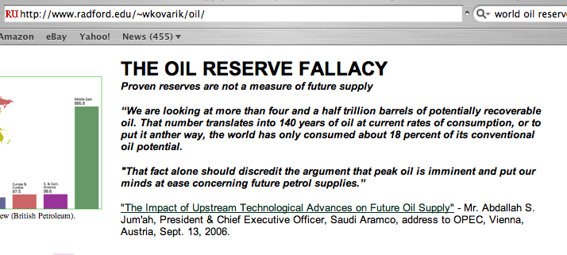
World Oil reserves |  |  |  |  |  |  |  |  | ref 1
Barrels |  | 1.20E+12 | ref 1 |  | BP review World Energy 2005
Metric tonnes |  | 1.61E+11
 |  |  |  |  | Consumption 1859-1968 |  | 2.00E+11 | ref 2
Proportion of carbon in Crude oil |  | 0.849 | ref 4 |  | Consumption 1965-2005 |  | 917000000000 | ref 3

Tonnes carbon in world oil reserves |  | 1.37E+11
Equivalent tonnes CO2 |  | 5.01E+11
 |  |  |  |  |  | Total tonnes CO2
Total weight of earth's atmosphere |  | 5.36E+15 | ref 5 |  |  | 3.49E+12
So proportion C02 if all oil burnt |  | 9.35E-05
 | In ppm (weight) | 93.5
Convert ppm (weight) to volume |  | 0.667 | ref 9
 | ppm (volume) | 62.3

Canadian Oil Sands
 | barrels | 1.80E+11
 | tonnes | 2.57E+10
Proportion carbon |  | 0.9
Tonnes carbon |  | 2.31E+10
Tonnes CO2 |  | 8.49E+10 |  | 3.49E+12

Total weight of earth's atmosphere |  | 5.36E+15
Proportion CO2 if all canadian oil sands burnt |  | 1.58E-05
 | In ppm | 15.83
 | ppm (volume) | 10.6

Coal current reserves |  | 7.71E+11
Proportion carbon |  | 0.9
Tonnes carbon |  | 6.94E+11 | ref 6
Tonnes CO2 |  | 2.54E+12
 |  |  |  |  |  |  |  |  | refs 2,3 | http://en.wikipedia.org/wiki/Oil_reserves
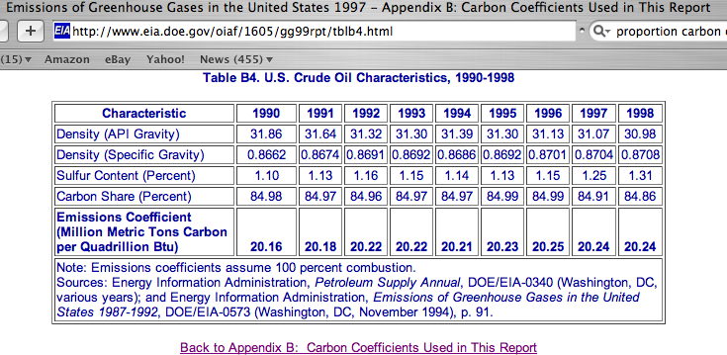
Total weight of earth's atmosphere |  | 5.36E+15
Proportion CO2 if all coal burnt |  | 4.75E-04 |  |  |  |  |  |  | ref 4
 | In ppm | 474.57
 | ppm (volume) | 316.4

Natural gas reserves (cubic feet) |  | 5.5E+15 | ref 7
 | Conversion factor | 35.3146667
 |  | 1.5574265635E+14 | cubic metres
 | total carbon | 1.2926640477E+11
 | Tonnes CO2 | 3.5548261312E+11

Total weight of earth's atmosphere |  | 5.36E+15
Proportion CO2 if all gas burnt |  | 6.63E-05
 | In ppm | 66
 | ppm (volume) | 44.2

 | Current CO2 | 370
 | (ppm)
Amount if all oil burnt |  | 432
 | Plus tar sands | 443
 | Plus coal | 759
 | Plus Gas | 803

Shale gas |  |  | Source
V(gas) / ft^3 | 516000000000000 |  | AVAILABILITY, ECONOMICS,
V(gas /m^3 | 1.4611354948E+13 |  | AND PRODUCTION POTENTIAL OF NORTH AMERICAN UNCONVENTIONAL NATURAL GAS SUPPLIES
V(gas) / 10^9m^3 | 14611.354948 |  | https://www.ingaa.org/File.aspx?id=7878
E(gas) / 10^12 btu | 498554.04219
E(gas) /10^6 btu | 4.9855404219E+11
m(carbon) /kg | 7.1941348288E+12 |  | INGAA Foundation 2008
m(carbon) /metric tonnes | 7194134828.8
m(CO2) /metric tonnes | 26378494372 |  | https://www.eia.gov/todayinenergy/detail.php?id=11611
CO2/total atmosphere | 5.1240276559E-06 |  | Shale oil and shale gas resources are globally abundant
Prop of CO2 /ppm | 5.1240276559 |  |  |  |  |  |  |  | ref 5
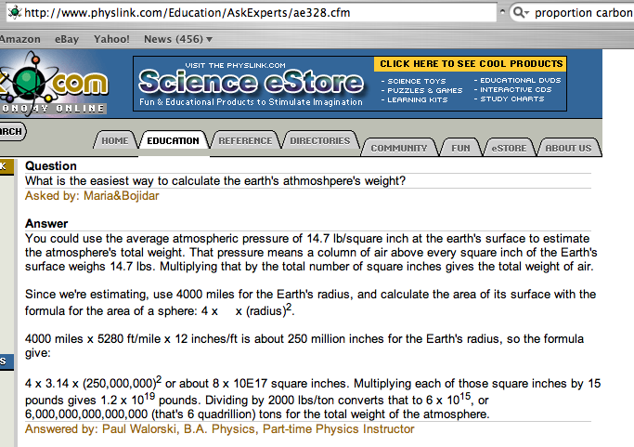
Prop of CO2 /ppm v/v | 3.4184253638

 |  |  |  |  |  |  |  |  |  | ref 6 | http://www.worldcoal.org/pages/content/index.asp?PageID=188
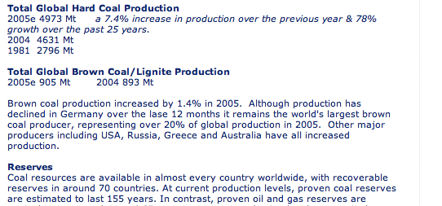

 |  |  |  |  |  |  |  |  | ref 7 | http://www.eia.doe.gov/oiaf/analysispaper/global/natgas.html

 |  |  |  |  |  |  |  |  | ref 8 | http://www.epa.gov/gasstar/pdf/unitconverter_final.pdf

 |  |  |  |  |  |  |  |  | ref 9

 |  |  |  |  |  |  |  |  |  | http://en.wikipedia.org/wiki/Carbon_dioxide

Carbon Budgets
 | 66% Chance | 50% Chance |  | Source IPCC SR15 | https://www.ipcc.ch/sr15/
RCP 1.5 | 420 | 580 | GtCO2

RCP2.6 |  | 990

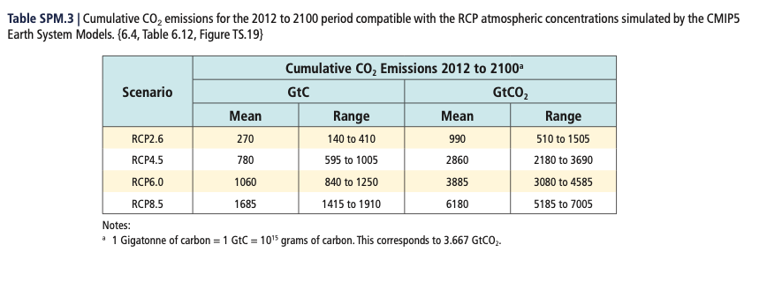

 | CO2 Emissions 2012-2022 |  | Economist Our World in data
2012 | 3.50E+10 |  | https://ourworldindata.org/co2-emissions
2013 | 3.53E+10
2014 | 3.56E+10
2015 | 3.56E+10
2016 | 3.55E+10
2017 | 3.61E+10
2018 | 3.68E+10
2019 | 3.71E+10
2020 | 3.53E+10
2021 | 3.71E+10
2022 | 3.68E+10 |  | International Energy Agency
 |  |  | https://www.iea.org/reports/co2-emissions-in-2022
Total 2013-22 | 3.61E+11 | 361.17

