Data
DES | T (K) | P (kPa) | S1 | S2 | S3 | S4 | S5 | S6 | S7 | S8 | S9 | S10 | Actual | GPR-Metern | GPR-Exp | GPR-Sexp | GPR-Rational Quadratic | Split | ln(x)-ANN | Leverage | Standadized Residuals
[Ach]Cl-1,2,4-triazole (1 : 1) | 303.15 | 63.7 | 0.0229 | 0.369525 | 1.369675 | 4.434675 | 3.93895 | 1.36715 | 0.9535 | 1.4995 | 2.131 | 0.028325 | -5.7138 | -5.8061407924 | -5.8629423512 | -5.7927103782 | -5.8566466262 | Testing | -5.7675 | 0.0072 | 0.8958
[Ach]Cl-1,2,4-triazole (1 : 1) | 303.15 | 107.6 | 0.0229 | 0.369525 | 1.369675 | 4.434675 | 3.93895 | 1.36715 | 0.9535 | 1.4995 | 2.131 | 0.028325 | -5.24 | -5.2749682518 | -5.3419922609 | -5.3252497863 | -5.4257195615 | Training | -5.3929 | 0.0071 | 1.2855
[Ach]Cl-1,2,4-triazole (1 : 1) | 303.15 | 192.5 | 0.0229 | 0.369525 | 1.369675 | 4.434675 | 3.93895 | 1.36715 | 0.9535 | 1.4995 | 2.131 | 0.028325 | -4.6777 | -4.6568775648 | -4.722134008 | -4.711942548 | -4.8091291261 | Testing | -4.8152 | 0.0070 | 1.0391
[Ach]Cl-1,2,4-triazole (1 : 1) | 303.15 | 288.3 | 0.0229 | 0.369525 | 1.369675 | 4.434675 | 3.93895 | 1.36715 | 0.9535 | 1.4995 | 2.131 | 0.028325 | -4.2977 | -4.2705126106 | -4.3198984538 | -4.2908837524 | -4.3487766965 | Testing | -4.3617 | 0.0068 | 1.1226
[Ach]Cl-1,2,4-triazole (1 : 1) | 303.15 | 382.9 | 0.0229 | 0.369525 | 1.369675 | 4.434675 | 3.93895 | 1.36715 | 0.9535 | 1.4995 | 2.131 | 0.028325 | -4.0286 | -4.0172133026 | -4.0539207291 | -4.0209974598 | -4.0472505999 | Testing | -4.0506 | 0.0067 | 1.0807
[Ach]Cl-1,2,4-triazole (1 : 1) | 303.15 | 496.8 | 0.0229 | 0.369525 | 1.369675 | 4.434675 | 3.93895 | 1.36715 | 0.9535 | 1.4995 | 2.131 | 0.028325 | -3.781 | -3.7774601021 | -3.8120736368 | -3.7918253594 | -3.8046630853 | Testing | -3.7733 | 0.0066 | 0.8532
[Ach]Cl-1,2,4-triazole (1 : 1) | 303.15 | 587.7 | 0.0229 | 0.369525 | 1.369675 | 4.434675 | 3.93895 | 1.36715 | 0.9535 | 1.4995 | 2.131 | 0.028325 | -3.6231 | -3.610825126 | -3.6536301042 | -3.648618514 | -3.6678826873 | Training | -3.5901 | 0.0065 | 0.6278
[Ach]Cl-1,2,4-triazole (1 : 1) | 313.15 | 56.3 | 0.0229 | 0.369525 | 1.369675 | 4.434675 | 3.93895 | 1.36715 | 0.9535 | 1.4995 | 2.131 | 0.028325 | -6.0748 | -6.1024474116 | -6.123507314 | -6.0550572838 | -6.0662588468 | Testing | -5.9794 | 0.0067 | 0.6893
[Ach]Cl-1,2,4-triazole (1 : 1) | 313.15 | 101.6 | 0.0229 | 0.369525 | 1.369675 | 4.434675 | 3.93895 | 1.36715 | 0.9535 | 1.4995 | 2.131 | 0.028325 | -5.5215 | -5.522415707 | -5.554807303 | -5.5594333553 | -5.6120945692 | Testing | -5.5846 | 0.0066 | 1.1776
[Ach]Cl-1,2,4-triazole (1 : 1) | 313.15 | 219.6 | 0.0229 | 0.369525 | 1.369675 | 4.434675 | 3.93895 | 1.36715 | 0.9535 | 1.4995 | 2.131 | 0.028325 | -4.756 | -4.7141967889 | -4.7396732127 | -4.7572992572 | -4.7994726309 | Training | -4.8111 | 0.0064 | 1.0332
[Ach]Cl-1,2,4-triazole (1 : 1) | 313.15 | 366.6 | 0.0229 | 0.369525 | 1.369675 | 4.434675 | 3.93895 | 1.36715 | 0.9535 | 1.4995 | 2.131 | 0.028325 | -4.2475 | -4.2455112673 | -4.246286474 | -4.2450673424 | -4.2368973107 | Training | -4.2386 | 0.0062 | 1.1804
[Ach]Cl-1,2,4-triazole (1 : 1) | 313.15 | 444.5 | 0.0229 | 0.369525 | 1.369675 | 4.434675 | 3.93895 | 1.36715 | 0.9535 | 1.4995 | 2.131 | 0.028325 | -4.057 | -4.0716122238 | -4.0674417656 | -4.0690927353 | -4.0501472695 | Testing | -4.0321 | 0.0061 | 1.0148
[Ach]Cl-1,2,4-triazole (1 : 1) | 313.15 | 523.9 | 0.0229 | 0.369525 | 1.369675 | 4.434675 | 3.93895 | 1.36715 | 0.9535 | 1.4995 | 2.131 | 0.028325 | -3.8922 | -3.9152592717 | -3.9136811199 | -3.9234225737 | -3.9063433482 | Training | -3.8563 | 0.0060 | 0.8915
[Ach]Cl-1,2,4-triazole (1 : 1) | 313.15 | 572.2 | 0.0229 | 0.369525 | 1.369675 | 4.434675 | 3.93895 | 1.36715 | 0.9535 | 1.4995 | 2.131 | 0.028325 | -3.7942 | -3.8270164472 | -3.8302412949 | -3.845783451 | -3.8350378923 | Testing | -3.7600 | 0.0060 | 0.7254
[Ach]Cl-1,2,4-triazole (1 : 1) | 323.15 | 58.4 | 0.0229 | 0.369525 | 1.369675 | 4.434675 | 3.93895 | 1.36715 | 0.9535 | 1.4995 | 2.131 | 0.028325 | -6.2659 | -6.2545737184 | -6.2512394117 | -6.197034968 | -6.1733876998 | Training | -6.1378 | 0.0063 | 0.7609
[Ach]Cl-1,2,4-triazole (1 : 1) | 323.15 | 147.7 | 0.0229 | 0.369525 | 1.369675 | 4.434675 | 3.93895 | 1.36715 | 0.9535 | 1.4995 | 2.131 | 0.028325 | -5.3391 | -5.3074121126 | -5.3149242597 | -5.3602362061 | -5.3800731685 | Testing | -5.4176 | 0.0062 | 1.2925
[TBA]Br-Hexanoic acid (1 : 3)
 | Experiment |  | GPR-Exp
556 | -2.8525 | 556 | -2.8263249911 | 466 | -3.2365 | 466 | -3.1927502646 | 502 | -3.3668 | 502 | -3.3338854993
650 | -2.6956 | 650 | -2.6928388758 | 580 | -2.9858 | 580 | -3.0020359671 | 644 | -3.1442 | 644 | -3.1002985943
747 | -2.5485 | 747 | -2.5740198136 | 688 | -2.8753 | 688 | -2.8485846765 | 748 | -2.9151 | 748 | -2.9535382191
910 | -2.3709 | 910 | -2.4037721392 | 838 | -2.6409 | 838 | -2.6651772374 | 861 | -2.8117 | 861 | -2.8124719441
987 | -2.2916 | 987 | -2.3326835023 | 946 | -2.5307 | 946 | -2.5497674686 | 977 | -2.6708 | 977 | -2.6849092342
1090 | -2.1821 | 1090 | -2.245015631 | 1044 | -2.4453 | 1044 | -2.4553328727 | 1083 | -2.6255 | 1083 | -2.5818591925
1183 | -2.1136 | 1183 | -2.172392838 | 1146 | -2.357 | 1146 | -2.3664566408 | 1112 | -2.5705 | 1112 | -2.5557235053
[Ach]Cl-1,2,4-triazole (1 : 1) | 323.15 | 251.5 | 0.0229 | 0.369525 | 1.369675 | 4.434675 | 3.93895 | 1.36715 | 0.9535 | 1.4995 | 2.131 | 0.028325 | -4.8796 | -4.7732426118 | -4.7643388935 | -4.7997526195 | -4.7909507238 | Training | -4.8356 | 0.0060 | 0.9540
[Ach]Cl-1,2,4-triazole (1 : 1) | 323.15 | 340.7 | 0.0229 | 0.369525 | 1.369675 | 4.434675 | 3.93895 | 1.36715 | 0.9535 | 1.4995 | 2.131 | 0.028325 | -4.5469 | -4.4995404872 | -4.4740852208 | -4.4967448135 | -4.4608205797 | Testing | -4.4959 | 0.0059 | 1.0429
[Ach]Cl-1,2,4-triazole (1 : 1) | 323.15 | 439 | 0.0229 | 0.369525 | 1.369675 | 4.434675 | 3.93895 | 1.36715 | 0.9535 | 1.4995 | 2.131 | 0.028325 | -4.2977 | -4.2723204097 | -4.238165841 | -4.2588080448 | -4.2112940333 | Training | -4.2226 | 0.0057 | 0.9841
[Ach]Cl-1,2,4-triazole (1 : 1) | 323.15 | 542 | 0.0229 | 0.369525 | 1.369675 | 4.434675 | 3.93895 | 1.36715 | 0.9535 | 1.4995 | 2.131 | 0.028325 | -4.0745 | -4.0704837006 | -4.0403692709 | -4.0667160837 | -4.0283972307 | Testing | -3.9970 | 0.0056 | 0.7214
[Ach]Cl-1,2,4-triazole (1 : 1) | 323.15 | 593.2 | 0.0229 | 0.369525 | 1.369675 | 4.434675 | 3.93895 | 1.36715 | 0.9535 | 1.4995 | 2.131 | 0.028325 | -3.9846 | -3.9784447834 | -3.9544873993 | -3.9843227887 | -3.9568381993 | Testing | -3.8980 | 0.0056 | 0.5695
[Ach]Cl-1,2,4-triazole (1 : 1) | 333.15 | 56.3 | 0.0229 | 0.369525 | 1.369675 | 4.434675 | 3.93895 | 1.36715 | 0.9535 | 1.4995 | 2.131 | 0.028325 | -6.4378 | -6.4707208803 | -6.4490649773 | -6.3892903575 | -6.328934714 | Training | -6.3613 | 0.0062 | 0.9025
[Ach]Cl-1,2,4-triazole (1 : 1) | 333.15 | 116.3 | 0.0229 | 0.369525 | 1.369675 | 4.434675 | 3.93895 | 1.36715 | 0.9535 | 1.4995 | 2.131 | 0.028325 | -5.684 | -5.7492362957 | -5.7382899962 | -5.7799614176 | -5.7607215025 | Training | -5.8506 | 0.0061 | 1.6117
[Ach]Cl-1,2,4-triazole (1 : 1) | 333.15 | 186.5 | 0.0229 | 0.369525 | 1.369675 | 4.434675 | 3.93895 | 1.36715 | 0.9535 | 1.4995 | 2.131 | 0.028325 | -5.2785 | -5.2512480272 | -5.2345534813 | -5.2948323388 | -5.2714092916 | Training | -5.3756 | 0.0060 | 1.3149
[Ach]Cl-1,2,4-triazole (1 : 1) | 333.15 | 290.9 | 0.0229 | 0.369525 | 1.369675 | 4.434675 | 3.93895 | 1.36715 | 0.9535 | 1.4995 | 2.131 | 0.028325 | -4.8409 | -4.8284416433 | -4.7900832407 | -4.8337232057 | -4.7792999802 | Testing | -4.8762 | 0.0058 | 1.1451
[Ach]Cl-1,2,4-triazole (1 : 1) | 333.15 | 396.1 | 0.0229 | 0.369525 | 1.369675 | 4.434675 | 3.93895 | 1.36715 | 0.9535 | 1.4995 | 2.131 | 0.028325 | -4.5564 | -4.5544794287 | -4.5000822418 | -4.532424302 | -4.4609443773 | Training | -4.5374 | 0.0056 | 1.1223
[Ach]Cl-1,2,4-triazole (1 : 1) | 333.15 | 487.4 | 0.0229 | 0.369525 | 1.369675 | 4.434675 | 3.93895 | 1.36715 | 0.9535 | 1.4995 | 2.131 | 0.028325 | -4.3275 | -4.3629991606 | -4.3063783522 | -4.3372747123 | -4.2706837123 | Testing | -4.3163 | 0.0055 | 0.9525
[Ach]Cl-1,2,4-triazole (1 : 1) | 333.15 | 581 | 0.0229 | 0.369525 | 1.369675 | 4.434675 | 3.93895 | 1.36715 | 0.9535 | 1.4995 | 2.131 | 0.028325 | -4.1541 | -4.1881200443 | -4.1398762524 | -4.1720944603 | -4.1261628339 | Testing | -4.1268 | 0.0054 | 0.6958
Thymol-2,6-xylenol (1 : 1) | 293.15 | 3905.7 | 0.017025 | 0.4162 | 0.24805 | 2.122575 | 6.3154 | 5.75355 | 2.830675 | 0.621175 | 0.00725 | 0 | -0.9429 | -0.88933753988 | -0.93853944906 | -1.0834506019 | -1.0002346505 | Training | -0.9604 | 0.0191 | 0.3619
Thymol-2,6-xylenol (1 : 1) | 293.15 | 3198.8 | 0.017025 | 0.4162 | 0.24805 | 2.122575 | 6.3154 | 5.75355 | 2.830675 | 0.621175 | 0.00725 | 0 | -1.147 | -1.1166661217 | -1.1403349494 | -1.2247572631 | -1.1714588157 | Testing | -1.1702 | 0.0158 | 0.3985
Thymol-2,6-xylenol (1 : 1) | 293.15 | 2593.2 | 0.017025 | 0.4162 | 0.24805 | 2.122575 | 6.3154 | 5.75355 | 2.830675 | 0.621175 | 0.00725 | 0 | -1.3398 | -1.3143450253 | -1.3379503165 | -1.3775526612 | -1.3295362163 | Testing | -1.3458 | 0.0136 | 0.4250
Thymol-2,6-xylenol (1 : 1) | 293.15 | 1607 | 0.017025 | 0.4162 | 0.24805 | 2.122575 | 6.3154 | 5.75355 | 2.830675 | 0.621175 | 0.00725 | 0 | -1.794 | -1.6925669177 | -1.7927246018 | -1.755286596 | -1.7155474558 | Testing | -1.8191 | 0.0112 | 0.1433
Thymol-2,6-xylenol (1 : 1) | 303.15 | 3984 | 0.017025 | 0.4162 | 0.24805 | 2.122575 | 6.3154 | 5.75355 | 2.830675 | 0.621175 | 0.00725 | 0 | -1.0481 | -1.0087508938 | -1.0411622645 | -1.1196400385 | -1.0358035425 | Testing | -1.0615 | 0.0187 | 0.2584
Thymol-2,6-xylenol (1 : 1) | 303.15 | 3256.3 | 0.017025 | 0.4162 | 0.24805 | 2.122575 | 6.3154 | 5.75355 | 2.830675 | 0.621175 | 0.00725 | 0 | -1.2521 | -1.2435902354 | -1.2415338745 | -1.267169868 | -1.2536286066 | Training | -1.2605 | 0.0153 | 0.3982
Thymol-2,6-xylenol (1 : 1) | 303.15 | 2634.4 | 0.017025 | 0.4162 | 0.24805 | 2.122575 | 6.3154 | 5.75355 | 2.830675 | 0.621175 | 0.00725 | 0 | -1.4321 | -1.4470479925 | -1.4368905766 | -1.4243745277 | -1.4494712199 | Testing | -1.4279 | 0.0131 | 0.4234
Thymol-2,6-xylenol (1 : 1) | 303.15 | 1630 | 0.017025 | 0.4162 | 0.24805 | 2.122575 | 6.3154 | 5.75355 | 2.830675 | 0.621175 | 0.00725 | 0 | -1.8965 | -1.8308495932 | -1.8835971056 | -1.8122565208 | -1.8621316399 | Testing | -1.8808 | 0.0107 | 0.1322
Thymol-2,6-xylenol (1 : 1) | 313.15 | 4044.1 | 0.017025 | 0.4162 | 0.24805 | 2.122575 | 6.3154 | 5.75355 | 2.830675 | 0.621175 | 0.00725 | 0 | -1.1783 | -1.1353805619 | -1.1470940295 | -1.1601986667 | -1.0641219056 | Training | -1.1549 | 0.0184 | 0.1939
Thymol-2,6-xylenol (1 : 1) | 313.15 | 3302.9 | 0.017025 | 0.4162 | 0.24805 | 2.122575 | 6.3154 | 5.75355 | 2.830675 | 0.621175 | 0.00725 | 0 | -1.3295 | -1.3753617566 | -1.3442976759 | -1.311934913 | -1.3250638612 | Testing | -1.3368 | 0.0150 | 0.3832
Thymol-2,6-xylenol (1 : 1) | 313.15 | 2669.6 | 0.017025 | 0.4162 | 0.24805 | 2.122575 | 6.3154 | 5.75355 | 2.830675 | 0.621175 | 0.00725 | 0 | -1.5488 | -1.5830700107 | -1.5361469547 | -1.471697638 | -1.5632524705 | Testing | -1.4911 | 0.0128 | 0.3700
Thymol-2,6-xylenol (1 : 1) | 313.15 | 1650 | 0.017025 | 0.4162 | 0.24805 | 2.122575 | 6.3154 | 5.75355 | 2.830675 | 0.621175 | 0.00725 | 0 | -1.9827 | -1.9718844549 | -1.9743270228 | -1.8688578985 | -2.0204126423 | Testing | -1.9261 | 0.0104 | 0.1614
Thymol-2,6-xylenol (1 : 1) | 323.15 | 4085.3 | 0.017025 | 0.4162 | 0.24805 | 2.122575 | 6.3154 | 5.75355 | 2.830675 | 0.621175 | 0.00725 | 0 | -1.2455 | -1.2695732779 | -1.2561932124 | -1.2050506738 | -1.0904301535 | Training | -1.2395 | 0.0182 | 0.2516
Thymol-2,6-xylenol (1 : 1) | 323.15 | 3338 | 0.017025 | 0.4162 | 0.24805 | 2.122575 | 6.3154 | 5.75355 | 2.830675 | 0.621175 | 0.00725 | 0 | -1.4045 | -1.5122641506 | -1.4486172538 | -1.3586714995 | -1.3889068982 | Training | -1.4008 | 0.0148 | 0.4716
Thymol-2,6-xylenol (1 : 1) | 323.15 | 2698.8 | 0.017025 | 0.4162 | 0.24805 | 2.122575 | 6.3154 | 5.75355 | 2.830675 | 0.621175 | 0.00725 | 0 | -1.6094 | -1.722467091 | -1.6356722977 | -1.5190435776 | -1.6689227829 | Training | -1.5390 | 0.0126 | 0.4969
Thymol-2,6-xylenol (1 : 1) | 323.15 | 1667 | 0.017025 | 0.4162 | 0.24805 | 2.122575 | 6.3154 | 5.75355 | 2.830675 | 0.621175 | 0.00725 | 0 | -2.0691 | -2.1156850972 | -2.0649576563 | -1.9250828324 | -2.1858542261 | Testing | -1.9573 | 0.0103 | 0.1924
[Ch]Cl-Urea (1 : 1.5) | 313.15 | 1070 | 0 | 0.47619 | 1.896 | 3.48228 | 1.7075 | 0.90319 | 0.73165 | 1.29903 | 2.26433 | 0.01547 | -2.9759 | -3.0116404317 | -2.9308980285 | -2.8519250328 | -3.0246059627 | Testing | -2.7722 | 0.0104 | 1.2528
[Ch]Cl-Urea (1 : 1.5) | 313.15 | 2520 | 0 | 0.47619 | 1.896 | 3.48228 | 1.7075 | 0.90319 | 0.73165 | 1.29903 | 2.26433 | 0.01547 | -2.3434 | -2.3548776737 | -2.3564241986 | -2.2017186115 | -2.2796031628 | Training | -2.2218 | 0.0103 | 1.6537
[Ch]Cl-Urea (1 : 1.5) | 313.15 | 4210 | 0 | 0.47619 | 1.896 | 3.48228 | 1.7075 | 0.90319 | 0.73165 | 1.29903 | 2.26433 | 0.01547 | -2.1037 | -2.1417569873 | -2.1127088007 | -1.9378680494 | -1.825908618 | Training | -1.9789 | 0.0142 | 0.8726
[Ch]Cl-Urea (1 : 1.5) | 313.15 | 6090 | 0 | 0.47619 | 1.896 | 3.48228 | 1.7075 | 0.90319 | 0.73165 | 1.29903 | 2.26433 | 0.01547 | -1.8389 | -1.8502913566 | -1.8905635166 | -1.7699762633 | -1.8491919715 | Training | -1.8515 | 0.0236 | -0.0006
[Ch]Cl-Urea (1 : 1.5) | 323.15 | 850 | 0 | 0.47619 | 1.896 | 3.48228 | 1.7075 | 0.90319 | 0.73165 | 1.29903 | 2.26433 | 0.01547 | -3.4112 | -3.482438992 | -3.4535948328 | -3.2463782203 | -3.3114714774 | Training | -3.2377 | 0.0104 | 1.0182
[Ch]Cl-Urea (1 : 1.5) | 323.15 | 2330 | 0 | 0.47619 | 1.896 | 3.48228 | 1.7075 | 0.90319 | 0.73165 | 1.29903 | 2.26433 | 0.01547 | -2.5383 | -2.5281451769 | -2.6138362798 | -2.4076749146 | -2.44916841 | Training | -2.5056 | 0.0097 | 1.5938
[Ch]Cl-Urea (1 : 1.5) | 323.15 | 3690 | 0 | 0.47619 | 1.896 | 3.48228 | 1.7075 | 0.90319 | 0.73165 | 1.29903 | 2.26433 | 0.01547 | -2.333 | -2.3535407728 | -2.3325327291 | -2.1435498429 | -1.9930722143 | Training | -2.2387 | 0.0119 | 0.9946
[Ch]Cl-Urea (1 : 1.5) | 323.15 | 6130 | 0 | 0.47619 | 1.896 | 3.48228 | 1.7075 | 0.90319 | 0.73165 | 1.29903 | 2.26433 | 0.01547 | -1.9379 | -1.9894265467 | -1.9822206565 | -1.917398199 | -1.964312639 | Training | -1.9060 | 0.0229 | -0.0171
[Ch]Cl-Urea (1 : 1.5) | 333.15 | 1230 | 0 | 0.47619 | 1.896 | 3.48228 | 1.7075 | 0.90319 | 0.73165 | 1.29903 | 2.26433 | 0.01547 | -3.2702 | -3.14131633 | -3.227658345 | -3.1071409195 | -3.1570055022 | Training | -3.1564 | 0.0097 | 0.9900
[Ch]Cl-Urea (1 : 1.5) | 333.15 | 2590 | 0 | 0.47619 | 1.896 | 3.48228 | 1.7075 | 0.90319 | 0.73165 | 1.29903 | 2.26433 | 0.01547 | -2.6736 | -2.6314721036 | -2.648291007 | -2.4821661972 | -2.4316871266 | Training | -2.7261 | 0.0095 | 1.3160
[Ch]Cl-Urea (1 : 1.5) | 333.15 | 4780 | 0 | 0.47619 | 1.896 | 3.48228 | 1.7075 | 0.90319 | 0.73165 | 1.29903 | 2.26433 | 0.01547 | -2.3228 | -2.3516461126 | -2.2490162699 | -2.1601482577 | -1.9312246363 | Testing | -2.1176 | 0.0151 | 0.3552
[Ch]Cl-Urea (1 : 1.5) | 333.15 | 6550 | 0 | 0.47619 | 1.896 | 3.48228 | 1.7075 | 0.90319 | 0.73165 | 1.29903 | 2.26433 | 0.01547 | -2.1037 | -2.0594087002 | -2.0043752689 | -2.0247104202 | -2.1699914318 | Training | -1.9679 | 0.0249 | -0.4946
[Ach]Cl-Imidazole (2 : 3) | 303.15 | 30.2 | 0.00063 | 0.37779 | 1.06212 | 4.33936 | 3.25325 | 1.84092 | 1.21947 | 1.14857 | 1.71297 | 0.13784 | -7.1309 | -6.440304015 | -6.477555884 | -6.3808181029 | -6.228456007 | Training | -6.3035 | 0.0061 | -1.9814
[Ach]Cl-Imidazole (2 : 3) | 303.15 | 86.7 | 0.00063 | 0.37779 | 1.06212 | 4.33936 | 3.25325 | 1.84092 | 1.21947 | 1.14857 | 1.71297 | 0.13784 | -5.4727 | -5.6069760842 | -5.6464786878 | -5.6409495568 | -5.6080334419 | Training | -5.7494 | 0.0061 | 0.9287
[Ach]Cl-Imidazole (2 : 3) | 303.15 | 198.4 | 0.00063 | 0.37779 | 1.06212 | 4.33936 | 3.25325 | 1.84092 | 1.21947 | 1.14857 | 1.71297 | 0.13784 | -4.646 | -4.7493805638 | -4.7780666714 | -4.7708834197 | -4.7747482202 | Training | -4.8925 | 0.0061 | 0.8855
[Ach]Cl-Imidazole (2 : 3) | 303.15 | 300.3 | 0.00063 | 0.37779 | 1.06212 | 4.33936 | 3.25325 | 1.84092 | 1.21947 | 1.14857 | 1.71297 | 0.13784 | -4.2904 | -4.3478374104 | -4.3643820528 | -4.3364455367 | -4.3039448538 | Testing | -4.3876 | 0.0060 | 0.8761
[Ach]Cl-Imidazole (2 : 3) | 303.15 | 388.1 | 0.00063 | 0.37779 | 1.06212 | 4.33936 | 3.25325 | 1.84092 | 1.21947 | 1.14857 | 1.71297 | 0.13784 | -4.0513 | -4.1075502707 | -4.1234958588 | -4.0913571342 | -4.0298077894 | Training | -4.1003 | 0.0060 | 0.8654
[Ach]Cl-Imidazole (2 : 3) | 303.15 | 486.8 | 0.00063 | 0.37779 | 1.06212 | 4.33936 | 3.25325 | 1.84092 | 1.21947 | 1.14857 | 1.71297 | 0.13784 | -3.8397 | -3.8879176837 | -3.9176908153 | -3.8869511662 | -3.8105969958 | Training | -3.8707 | 0.0060 | 0.6573
[Ach]Cl-Imidazole (2 : 3) | 303.15 | 572.6 | 0.00063 | 0.37779 | 1.06212 | 4.33936 | 3.25325 | 1.84092 | 1.21947 | 1.14857 | 1.71297 | 0.13784 | -3.6809 | -3.7223825815 | -3.7750835439 | -3.7421455062 | -3.6684569537 | Training | -3.7133 | 0.0060 | 0.4169
[Ach]Cl-Imidazole (2 : 3) | 313.15 | 65.21 | 0.00063 | 0.37779 | 1.06212 | 4.33936 | 3.25325 | 1.84092 | 1.21947 | 1.14857 | 1.71297 | 0.13784 | -5.9522 | -6.0389448892 | -6.0335502374 | -6.0524885788 | -5.9945452191 | Training | -6.0711 | 0.0054 | 0.6899
[Ach]Cl-Imidazole (2 : 3) | 313.15 | 147.7 | 0.00063 | 0.37779 | 1.06212 | 4.33936 | 3.25325 | 1.84092 | 1.21947 | 1.14857 | 1.71297 | 0.13784 | -5.2591 | -5.2169570439 | -5.2109360257 | -5.262602379 | -5.2795499561 | Training | -5.3622 | 0.0053 | 0.8532
[Ach]Cl-Imidazole (2 : 3) | 313.15 | 201.4 | 0.00063 | 0.37779 | 1.06212 | 4.33936 | 3.25325 | 1.84092 | 1.21947 | 1.14857 | 1.71297 | 0.13784 | -4.9618 | -4.8970479455 | -4.8866115271 | -4.9246361718 | -4.9408684076 | Training | -5.0002 | 0.0053 | 0.5957
[Ach]Cl-Imidazole (2 : 3) | 313.15 | 295.9 | 0.00063 | 0.37779 | 1.06212 | 4.33936 | 3.25325 | 1.84092 | 1.21947 | 1.14857 | 1.71297 | 0.13784 | -4.5756 | -4.5239880327 | -4.5084303145 | -4.5219162178 | -4.5085802288 | Training | -4.5347 | 0.0053 | 0.7295
[Ach]Cl-Imidazole (2 : 3) | 313.15 | 427.6 | 0.00063 | 0.37779 | 1.06212 | 4.33936 | 3.25325 | 1.84092 | 1.21947 | 1.14857 | 1.71297 | 0.13784 | -4.1734 | -4.1756147054 | -4.1748362407 | -4.1735604459 | -4.1253331119 | Testing | -4.1324 | 0.0052 | 0.6848
[Ach]Cl-Imidazole (2 : 3) | 313.15 | 547.6 | 0.00063 | 0.37779 | 1.06212 | 4.33936 | 3.25325 | 1.84092 | 1.21947 | 1.14857 | 1.71297 | 0.13784 | -3.907 | -3.9266746438 | -3.9646318984 | -3.9524643568 | -3.9005164688 | Training | -3.8899 | 0.0052 | 0.5038
[Ach]Cl-Imidazole (2 : 3) | 323.15 | 29.8 | 0.00063 | 0.37779 | 1.06212 | 4.33936 | 3.25325 | 1.84092 | 1.21947 | 1.14857 | 1.71297 | 0.13784 | -6.5023 | -6.7731022955 | -6.7265161873 | -6.6941762327 | -6.5675970467 | Testing | -6.5616 | 0.0048 | 0.4867
[Ach]Cl-Imidazole (2 : 3) | 323.15 | 111 | 0.00063 | 0.37779 | 1.06212 | 4.33936 | 3.25325 | 1.84092 | 1.21947 | 1.14857 | 1.71297 | 0.13784 | -5.5215 | -5.6818732367 | -5.645017958 | -5.7240175615 | -5.7439907687 | Training | -5.7965 | 0.0048 | 1.3998
[Ach]Cl-Imidazole (2 : 3) | 323.15 | 148.6 | 0.00063 | 0.37779 | 1.06212 | 4.33936 | 3.25325 | 1.84092 | 1.21947 | 1.14857 | 1.71297 | 0.13784 | -5.3185 | -5.3754286029 | -5.3396789052 | -5.41758084 | -5.4570881335 | Testing | -5.4985 | 0.0048 | 1.1476
[Ach]Cl-Imidazole (2 : 3) | 323.15 | 238.5 | 0.00063 | 0.37779 | 1.06212 | 4.33936 | 3.25325 | 1.84092 | 1.21947 | 1.14857 | 1.71297 | 0.13784 | -4.8929 | -4.8946279659 | -4.8592726735 | -4.9055418629 | -4.9407140227 | Testing | -4.9408 | 0.0047 | 0.7810
[Ach]Cl-Imidazole (2 : 3) | 323.15 | 329.1 | 0.00063 | 0.37779 | 1.06212 | 4.33936 | 3.25325 | 1.84092 | 1.21947 | 1.14857 | 1.71297 | 0.13784 | -4.5952 | -4.5882453995 | -4.5605415837 | -4.5778796405 | -4.5882333677 | Testing | -4.5617 | 0.0047 | 0.8335
[Ach]Cl-Imidazole (2 : 3) | 323.15 | 425.7 | 0.00063 | 0.37779 | 1.06212 | 4.33936 | 3.25325 | 1.84092 | 1.21947 | 1.14857 | 1.71297 | 0.13784 | -4.3428 | -4.3426135905 | -4.3382494231 | -4.3359552977 | -4.3282092178 | Testing | -4.2875 | 0.0046 | 0.7388
[Ach]Cl-Imidazole (2 : 3) | 323.15 | 529.8 | 0.00063 | 0.37779 | 1.06212 | 4.33936 | 3.25325 | 1.84092 | 1.21947 | 1.14857 | 1.71297 | 0.13784 | -4.1352 | -4.1215168095 | -4.1584965767 | -4.1389538869 | -4.129897718 | Training | -4.0724 | 0.0046 | 0.5340
[Ach]Cl-Imidazole (2 : 3) | 323.15 | 589.2 | 0.00063 | 0.37779 | 1.06212 | 4.33936 | 3.25325 | 1.84092 | 1.21947 | 1.14857 | 1.71297 | 0.13784 | -4.0342 | -4.0086814889 | -4.0739428063 | -4.0432433067 | -4.0412366316 | Testing | -3.9686 | 0.0046 | 0.3037
[Ach]Cl-Imidazole (2 : 3) | 333.15 | 33 | 0.00063 | 0.37779 | 1.06212 | 4.33936 | 3.25325 | 1.84092 | 1.21947 | 1.14857 | 1.71297 | 0.13784 | -6.8124 | -6.880120818 | -6.8109343696 | -6.7988919009 | -6.7032115251 | Testing | -6.6844 | 0.0045 | 0.2122
[Ach]Cl-Imidazole (2 : 3) | 333.15 | 92.3 | 0.00063 | 0.37779 | 1.06212 | 4.33936 | 3.25325 | 1.84092 | 1.21947 | 1.14857 | 1.71297 | 0.13784 | -5.9915 | -6.0381707142 | -5.9824137698 | -6.0661220505 | -6.0895549439 | Testing | -6.1172 | 0.0044 | 1.0753
[Ach]Cl-Imidazole (2 : 3) | 333.15 | 141.7 | 0.00063 | 0.37779 | 1.06212 | 4.33936 | 3.25325 | 1.84092 | 1.21947 | 1.14857 | 1.71297 | 0.13784 | -5.6268 | -5.5926254394 | -5.5438119547 | -5.6323522446 | -5.6946257322 | Training | -5.7105 | 0.0044 | 1.1122
[Ach]Cl-Imidazole (2 : 3) | 333.15 | 235.4 | 0.00063 | 0.37779 | 1.06212 | 4.33936 | 3.25325 | 1.84092 | 1.21947 | 1.14857 | 1.71297 | 0.13784 | -5.116 | -5.074525639 | -5.0347729 | -5.0819351761 | -5.1516594021 | Training | -5.1199 | 0.0043 | 0.7700
[Ach]Cl-Imidazole (2 : 3) | 333.15 | 346.1 | 0.00063 | 0.37779 | 1.06212 | 4.33936 | 3.25325 | 1.84092 | 1.21947 | 1.14857 | 1.71297 | 0.13784 | -4.7444 | -4.7070019422 | -4.6863183325 | -4.6863087582 | -4.7378447055 | Training | -4.6707 | 0.0043 | 0.8540
[Ach]Cl-Imidazole (2 : 3) | 333.15 | 441.6 | 0.00063 | 0.37779 | 1.06212 | 4.33936 | 3.25325 | 1.84092 | 1.21947 | 1.14857 | 1.71297 | 0.13784 | -4.5099 | -4.4712790965 | -4.4804553229 | -4.4545345944 | -4.4996250929 | Training | -4.4156 | 0.0042 | 0.7230
[Ach]Cl-Imidazole (2 : 3) | 333.15 | 536.3 | 0.00063 | 0.37779 | 1.06212 | 4.33936 | 3.25325 | 1.84092 | 1.21947 | 1.14857 | 1.71297 | 0.13784 | -4.3125 | -4.2714210538 | -4.3196823326 | -4.2757334 | -4.3284531035 | Training | -4.2244 | 0.0042 | 0.5101
[Ach]Cl-Imidazole (2 : 3) | 333.15 | 594 | 0.00063 | 0.37779 | 1.06212 | 4.33936 | 3.25325 | 1.84092 | 1.21947 | 1.14857 | 1.71297 | 0.13784 | -4.1997 | -4.1611498854 | -4.2352539132 | -4.1817084646 | -4.2450380821 | Testing | -4.1233 | 0.0042 | 0.3196
[TOA]Cl-DecA (1 : 1.5) | 298.15 | 90 | 0.02955 | 0.31167 | 0.33528 | 3.03883 | 21.34215 | 13.41563 | 1.01635 | 1.19102 | 1.32186 | 0.16984 | -4.0864 | -4.123205742 | -4.1608851399 | -4.1008672804 | -4.1268423668 | Testing | -4.1081 | 0.0126 | 0.1231
[TOA]Cl-DecA (1 : 1.5) | 298.15 | 190 | 0.02955 | 0.31167 | 0.33528 | 3.03883 | 21.34215 | 13.41563 | 1.01635 | 1.19102 | 1.32186 | 0.16984 | -3.3581 | -3.3872025936 | -3.4277121352 | -3.3642336449 | -3.4274499032 | Testing | -3.4010 | 0.0126 | 0.0578
[TOA]Cl-DecA (1 : 1.5) | 298.15 | 290 | 0.02955 | 0.31167 | 0.33528 | 3.03883 | 21.34215 | 13.41563 | 1.01635 | 1.19102 | 1.32186 | 0.16984 | -2.9779 | -2.9837779341 | -3.0202518668 | -2.9502586832 | -2.9729349623 | Training | -2.9429 | 0.0126 | -0.1755
[TOA]Cl-DecA (1 : 1.5) | 298.15 | 390 | 0.02955 | 0.31167 | 0.33528 | 3.03883 | 21.34215 | 13.41563 | 1.01635 | 1.19102 | 1.32186 | 0.16984 | -2.6853 | -2.7110816856 | -2.7427936917 | -2.6876800268 | -2.6649869087 | Training | -2.6555 | 0.0125 | -0.2014
[TOA]Cl-DecA (1 : 1.5) | 298.15 | 490 | 0.02955 | 0.31167 | 0.33528 | 3.03883 | 21.34215 | 13.41563 | 1.01635 | 1.19102 | 1.32186 | 0.16984 | -2.4663 | -2.4977706222 | -2.5269856419 | -2.4971530831 | -2.4450257211 | Training | -2.4621 | 0.0125 | -0.4014
[TOA]Cl-DecA (1 : 1.5) | 298.15 | 790 | 0.02955 | 0.31167 | 0.33528 | 3.03883 | 21.34215 | 13.41563 | 1.01635 | 1.19102 | 1.32186 | 0.16984 | -2.0032 | -2.0325363962 | -2.0602785834 | -2.0857550012 | -2.0292081658 | Training | -2.0696 | 0.0126 | -1.0536
[TOA]Cl-DecA (1 : 1.5) | 298.15 | 990 | 0.02955 | 0.31167 | 0.33528 | 3.03883 | 21.34215 | 13.41563 | 1.01635 | 1.19102 | 1.32186 | 0.16984 | -1.8042 | -1.8200160262 | -1.8414463889 | -1.8700092569 | -1.8338948687 | Testing | -1.8534 | 0.0127 | -0.7640
[TOA]Cl-DecA (1 : 1.5) | 298.15 | 1490 | 0.02955 | 0.31167 | 0.33528 | 3.03883 | 21.34215 | 13.41563 | 1.01635 | 1.19102 | 1.32186 | 0.16984 | -1.4486 | -1.4786035 | -1.4836521203 | -1.4632991581 | -1.4286575168 | Training | -1.4596 | 0.0133 | -0.3006
[TOA]Cl-DecA (1 : 1.5) | 298.15 | 1990 | 0.02955 | 0.31167 | 0.33528 | 3.03883 | 21.34215 | 13.41563 | 1.01635 | 1.19102 | 1.32186 | 0.16984 | -1.2056 | -1.1900082561 | -1.2782988183 | -1.1954960638 | -1.08021897 | Testing | -1.2668 | 0.0143 | -0.1582
[TOA]Cl-DecA (1 : 1.5) | 308.15 | 90 | 0.02955 | 0.31167 | 0.33528 | 3.03883 | 21.34215 | 13.41563 | 1.01635 | 1.19102 | 1.32186 | 0.16984 | -4.2064 | -4.1949191648 | -4.1868980565 | -4.2013786014 | -4.219275128 | Testing | -4.2045 | 0.0124 | 0.3454
[TOA]Cl-DecA (1 : 1.5) | 308.15 | 190 | 0.02955 | 0.31167 | 0.33528 | 3.03883 | 21.34215 | 13.41563 | 1.01635 | 1.19102 | 1.32186 | 0.16984 | -3.4933 | -3.4602877495 | -3.4533836729 | -3.4688195116 | -3.5229941659 | Training | -3.4990 | 0.0123 | 0.2865
[TOA]Cl-DecA (1 : 1.5) | 308.15 | 290 | 0.02955 | 0.31167 | 0.33528 | 3.03883 | 21.34215 | 13.41563 | 1.01635 | 1.19102 | 1.32186 | 0.16984 | -3.0857 | -3.0575097237 | -3.0451905786 | -3.0539372748 | -3.0685224824 | Testing | -3.0416 | 0.0123 | -0.0245
[TOA]Cl-DecA (1 : 1.5) | 308.15 | 390 | 0.02955 | 0.31167 | 0.33528 | 3.03883 | 21.34215 | 13.41563 | 1.01635 | 1.19102 | 1.32186 | 0.16984 | -2.792 | -2.7850284189 | -2.7669355697 | -2.7884991669 | -2.7588220654 | Training | -2.7540 | 0.0122 | -0.0117
[TOA]Cl-DecA (1 : 1.5) | 308.15 | 490 | 0.02955 | 0.31167 | 0.33528 | 3.03883 | 21.34215 | 13.41563 | 1.01635 | 1.19102 | 1.32186 | 0.16984 | -2.5783 | -2.5717239616 | -2.5503696478 | -2.5942827398 | -2.5360731252 | Testing | -2.5597 | 0.0122 | -0.2557
[TOA]Cl-DecA (1 : 1.5) | 308.15 | 690 | 0.02955 | 0.31167 | 0.33528 | 3.03883 | 21.34215 | 13.41563 | 1.01635 | 1.19102 | 1.32186 | 0.16984 | -2.2538 | -2.2392152988 | -2.2158156672 | -2.2963820559 | -2.2276818964 | Training | -2.2827 | 0.0122 | -0.8924
[TOA]Cl-DecA (1 : 1.5) | 308.15 | 790 | 0.02955 | 0.31167 | 0.33528 | 3.03883 | 21.34215 | 13.41563 | 1.01635 | 1.19102 | 1.32186 | 0.16984 | -2.1337 | -2.1070874679 | -2.0818005365 | -2.1698594995 | -2.1093740588 | Training | -2.1647 | 0.0123 | -1.1127
[TOA]Cl-DecA (1 : 1.5) | 308.15 | 990 | 0.02955 | 0.31167 | 0.33528 | 3.03883 | 21.34215 | 13.41563 | 1.01635 | 1.19102 | 1.32186 | 0.16984 | -1.9324 | -1.8968219528 | -1.8620447537 | -1.945185628 | -1.9062958082 | Training | -1.9486 | 0.0124 | -0.7963
[TOA]Cl-DecA (1 : 1.5) | 308.15 | 1190 | 0.02955 | 0.31167 | 0.33528 | 3.03883 | 21.34215 | 13.41563 | 1.01635 | 1.19102 | 1.32186 | 0.16984 | -1.7702 | -1.7421722118 | -1.6919737122 | -1.7536355375 | -1.7271965647 | Training | -1.7637 | 0.0125 | -0.5722
[TOA]Cl-DecA (1 : 1.5) | 308.15 | 1490 | 0.02955 | 0.31167 | 0.33528 | 3.03883 | 21.34215 | 13.41563 | 1.01635 | 1.19102 | 1.32186 | 0.16984 | -1.5721 | -1.5723315421 | -1.5027518367 | -1.521495781 | -1.482555377 | Training | -1.5559 | 0.0129 | -0.3431
[TOA]Cl-DecA (1 : 1.5) | 308.15 | 1790 | 0.02955 | 0.31167 | 0.33528 | 3.03883 | 21.34215 | 13.41563 | 1.01635 | 1.19102 | 1.32186 | 0.16984 | -1.4159 | -1.4271064573 | -1.3670742462 | -1.3419541778 | -1.2579754384 | Training | -1.4189 | 0.0134 | -0.2130
[TOA]Cl-DecA (1 : 1.5) | 308.15 | 1990 | 0.02955 | 0.31167 | 0.33528 | 3.03883 | 21.34215 | 13.41563 | 1.01635 | 1.19102 | 1.32186 | 0.16984 | -1.3295 | -1.3216369617 | -1.2966751844 | -1.2432899913 | -1.1177670885 | Training | -1.3524 | 0.0138 | -0.1682
[Ch]Cl-EG (1 : 2) | 303.15 | 236 | 0 | 0.258588 | 1.096167 | 3.850119 | 2.893922 | 0.776026 | 0.72151 | 1.182099 | 1.885769 | 0.001292 | -4.6831 | -4.6361300976 | -4.7537635186 | -4.5764033588 | -4.8171281975 | Training | -4.7406 | 0.0037 | 0.6557
[Ch]Cl-EG (1 : 2) | 303.15 | 537 | 0 | 0.258588 | 1.096167 | 3.850119 | 2.893922 | 0.776026 | 0.72151 | 1.182099 | 1.885769 | 0.001292 | -3.8281 | -3.8197517359 | -3.8579481788 | -3.7938269534 | -3.8875065023 | Training | -3.8587 | 0.0033 | 0.5169
...

Figure S1
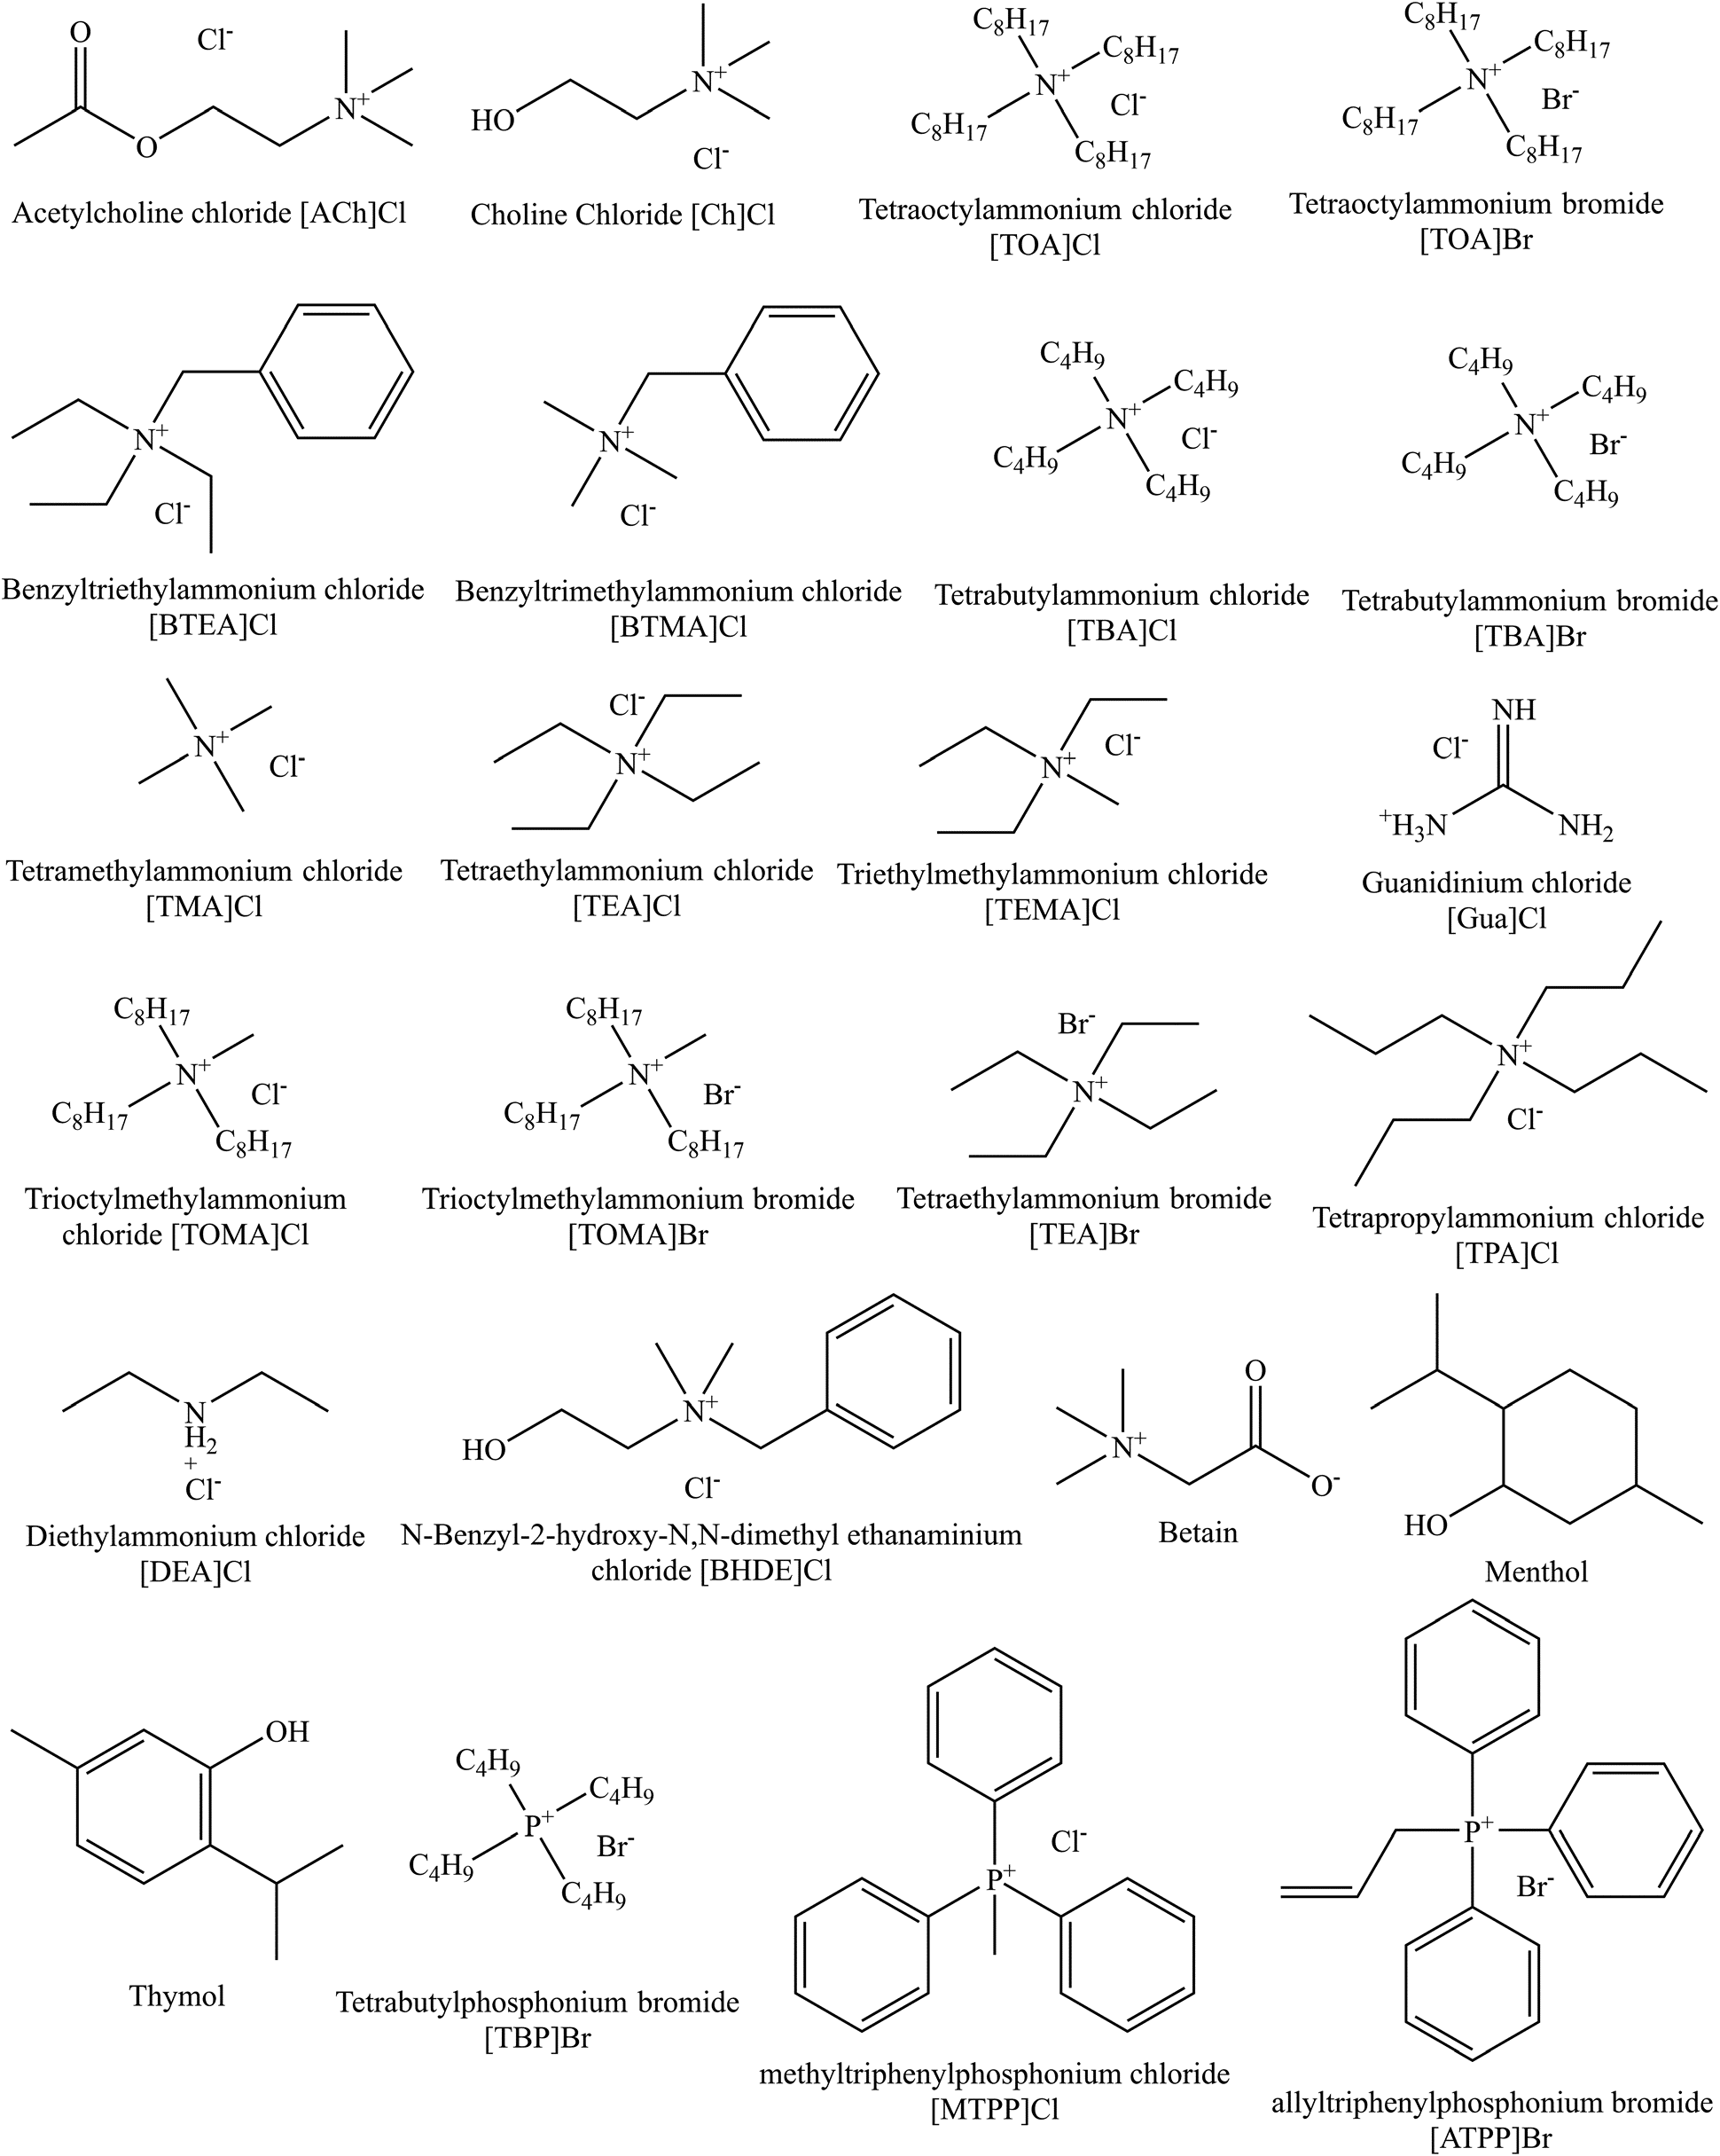
Figure S1: | Chemical structures of hydrogen bond acceptors (HBA) of DESs used in this work

Figure S2
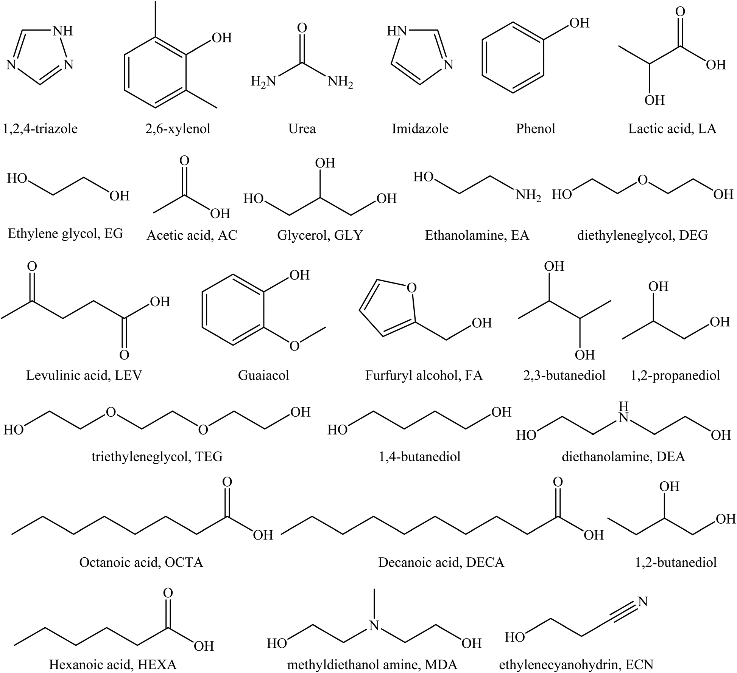
Figure S2 | Chemical structures of hydrogen bond donors (HBD) of DESs used in this work.

