data-f
 | PC1 | PC2 | PC3
Lipitor | 0.1640 | 3.0005 | -0.8141
Nexium | 1.7315 | 0.8976 | 0.1288 |  |  |  | PC1 | PC2 | PC3 | PC4 | PC5 | PC6 | PC7 | PC8 | PC9 | PC10 | PC11 | PC12 | PC13 | PC14 | PC15 | PC16 | PC17 | PC18 | PC19
Prevacid | 1.6126 | 1.1921 | -0.0896 |  |  | Standard deviation | 2.8889 | 1.8389 | 1.5594 | 1.31127 | 1.0879 | 0.8607 | 0.60642 | 0.49918 | 0.44437 | 0.35822 | 0.31767 | 0.28422 | 0.24957 | 0.21234 | 0.17629 | 0.12802 | 0.09655 | 0.002339 | 0.001926
Flonase | -0.9860 | -1.6031 | -2.0360 |  |  | Proportion of Variance | 0.4371 | 0.1771 | 0.1274 | 0.09006 | 0.062 | 0.0388 | 0.01926 | 0.01305 | 0.01034 | 0.00672 | 0.00529 | 0.00423 | 0.00326 | 0.00236 | 0.00163 | 0.00086 | 0.00049 | 0 | 0
Serevent | 1.0939 | 1.5951 | 0.1716 |  |  | Cumulative Proportion | 0.4371 | 0.6143 | 0.7417 | 0.83171 | 0.8937 | 0.9325 | 0.95177 | 0.96482 | 0.97516 | 0.98188 | 0.98717 | 0.9914 | 0.99466 | 0.99703 | 0.99865 | 0.99951 | 1 | 1 | 1
Singulair | 0.5877 | 3.8576 | -2.7979
Effexor | 2.4495 | 0.0662 | 0.2789
Plavix | 2.3020 | 0.9051 | -0.9961
 | Drugs |  | Drugs-AVG |  | Natural Products |  | NPs-AVG |  | Macro NPs |  | Macro NPs-AVG |  | ChemBridge |  | ChemBridge-AVG |  | ChemDiv |  | ChemDiv-AVG |  | cpd |  | cpd-AVG
0.10384622 | 3.63580384 | 1.40112486 | 1.04207926 | -0.81743814 | -2.41366851 | -2.56831984 | -0.51058629 | 1.45912589 | -3.52891271 | 1.0776007 | -1.90697782 | 1.68926333 | 2.2855581 | 1.42829828 | 2.27299227 | 1.54059141 | 2.37173674 | 0.63000008 | 1.97454508 | 1.89517508 | -0.97847687 | 1.50423953 | -0.32204786
1.48795329 | 0.59239639 |  |  | 1.77103137 | -2.71049476 |  |  | 1.38735375 | -4.08278192 |  |  | 2.24560433 | 0.38363195 |  |  | 0.32900832 | 1.65570861 |  |  | 1.8640558 | -0.73591608
1.42123452 | 1.12227153 |  |  | -0.87522435 | -2.61766463 |  |  | 1.80500563 | -3.19601767 |  |  | 1.11877847 | 2.67765268 |  |  | 0.57503894 | 1.85207124 |  |  | 1.85053568 | -0.52031891
-1.19222468 | -0.70837654 |  |  | 1.19002755 | -2.90946228 |  |  | 1.15311201 | -3.72751239 |  |  | 1.25722013 | 2.27053351 |  |  | 0.3163283 | 1.63429564 |  |  | 1.59616083 | -1.47164384
1.01169955 | 1.92281359 |  |  | 0.27202221 | -2.52072722 |  |  | 2.82844295 | -1.91000912 |  |  | 1.61915281 | 1.6009801 |  |  | 0.12025704 | 1.83841269 |  |  | 1.56538894 | -1.21339871
0.66718025 | 5.37463183 |  |  | -0.21293829 | -2.93762884 |  |  | 2.28874168 | -2.18844548 |  |  | 1.61867106 | 1.60815556 |  |  | 0.33923265 | 1.99293775 |  |  | 1.56525454 | -1.21339185
2.35819396 | 0.11355807 |  |  | 0.76683398 | -1.77807834 |  |  | 2.75292709 | -1.73116699 |  |  | 0.83755916 | 2.18041156 |  |  | 1.01475969 | 1.75995466 |  |  | 1.5446953 | -0.94256486
2.19502088 | 1.28086425 |  |  | 0.27317534 | -2.98751984 |  |  | 2.74151545 | -1.88592799 |  |  | 1.20164792 | 2.31372185 |  |  | 1.05702685 | 1.65695268 |  |  | 1.59313083 | 0.07218793
0.17408036 | -0.29612932 |  |  | 0.05971288 | -0.48474269 |  |  | 0.74424992 | -1.17690591 |  |  | 1.39054791 | 3.52446442 |  |  | 0.5271268 | 2.84682743 |  |  | 1.54996965 | 0.37220029
1.00732392 | 0.77788336 |  |  | 0.88993138 | -1.96194314 |  |  | 2.80480626 | -1.88160071 |  |  | 1.30454783 | 3.88480749 |  |  | 0.48063889 | 2.13656527 |  |  | 1.50747137 | 0.66091133
1.95131345 | 1.54918185 |  |  | 3.0012309 | 0.20779489 |  |  | 3.24825504 | -0.81692493 |  |  |  |  |  |  |  |  |  |  | 1.28974854 | -0.31721912
1.50819187 | 1.78516588 |  |  | 0.20475095 | -1.04095411 |  |  | 1.95432105 | -1.93776952
1.01314223 | 0.78953858 |  |  | -4.49589972 | 2.17738983 |  |  | 0.02541995 | -0.09798155
2.31200354 | 1.46064296 |  |  | -4.28156061 | -0.52749121 |  |  | 1.88708946 | -2.70065851
1.60640012 | 1.70178055 |  |  | -6.24905081 | -0.15015662 |  |  | 1.76687758 | -2.5242986
2.04393236 | 2.11769586 |  |  | -1.63604653 | -0.45908383 |  |  | 2.1454355 | -2.07358809
2.82170389 | -0.05485845 |  |  | -12.78942202 | 2.46999394 |  |  | 1.6522402 | -0.49510326
1.38177479 | 1.57993354 |  |  | -4.48636424 | -1.27426113 |  |  | -1.59529253 | -0.67164231
1.43733784 | 2.19550586 |  |  | -7.49033342 | 0.2080997 |  |  | -0.76180556 | -1.83820571
2.07846427 | 1.20460734 |  |  | -9.01943786 | 2.51845561 |  |  | -1.12755844 | -2.495338
0.15698414 | -2.28510386 |  |  | -4.36106195 | -4.74579373 |  |  | -1.40224561 | -0.72302216
2.12570951 | -0.6245625 |  |  | -5.11096899 | 1.28422286 |  |  | -0.79426989 | -1.42275075
0.80706307 | 2.44554046 |  |  | -3.47290215 | -1.30644469 |  |  | -0.32298302 | -1.93223481
1.59212464 | -3.04853539 |  |  | 0.41749799 | 2.28059726 |  |  | -0.77845674 | -0.72879014
1.58060542 | 2.79173522 |  |  | -1.30263179 | -0.4547534
1.09639444 | 0.04515347 |  |  | 0.74887169 | -1.27336013
2.28975237 | 0.6535999 |  |  | -2.66457855 | -0.67258854
1.64876284 | 2.60222233 |  |  | -3.98223091 | -0.84435646
0.49365896 | 1.04819677 |  |  | -5.9781245 | 0.17361469
1.52130472 | 1.44585224 |  |  | -6.76715457 | -3.41777757
0.72378975 | 2.35259932 |  |  | -2.39414267 | -0.11540124
0.61120211 | -0.63153921 |  |  | -2.36308779 | -3.70926823
3.12951151 | -1.3162462 |  |  | -1.78128553 | 0.69625067
1.29971322 | 0.83468966 |  |  | -12.38301901 | 1.12289348
2.09757237 | 2.127847 |  |  | -1.34109879 | 1.84785315
0.37050915 | 0.48691833 |  |  | -3.50420501 | 1.60331034
0.84539652 | 2.87203847 |  |  | 0.66432164 | 0.14387211
2.23389645 | 2.21156435 |  |  | 2.09965822 | -0.17113389
2.101924 | -0.59053393 |  |  | -0.11587458 | 0.10302676
1.93041237 | 0.11672314 |  |  | -0.60112179 | 1.75458383
 |  |  |  | -4.23749577 | -2.59397459
 |  |  |  | -5.53642989 | -4.03097872
 |  |  |  | 1.14358559 | -0.53252892
 |  |  |  | -3.29559488 | 0.47181457
 |  |  |  | 1.22864663 | -0.94447886
 |  |  |  | -9.44827816 | -1.65223677
 |  |  |  | 0.90733757 | -0.93138128
 |  |  |  | 0.69229373 | 0.75967676
 |  |  |  | -7.27246987 | -1.96661125
 |  |  |  | -3.98495485 | 0.5365371
...
Zocor | 0.2374 | -1.0987 | -1.1395
Norvasc | 1.1898 | 0.8757 | 0.6043
Lexapro | 2.0369 | 1.1207 | -0.8357
Seroquel | 1.6515 | 1.5455 | -0.9334
Protonix | 1.2819 | 1.1282 | 0.3064
Ambien | 2.4838 | 1.4504 | -0.6318
Actos | 1.7500 | 1.5223 | -0.3977
Zoloft | 2.0324 | 1.1356 | -1.8359
Wellbutrin | 2.8483 | -0.2539 | 0.1917
Avandia | 1.5449 | 1.5508 | 0.1111
Risperdal | 1.6094 | 2.0585 | -0.8158
Zyprexa | 2.2444 | 1.1917 | -0.6839
Topamax | 0.5025 | -1.9328 | 0.1811
Toprol | 2.2801 | -0.3333 | 1.0757
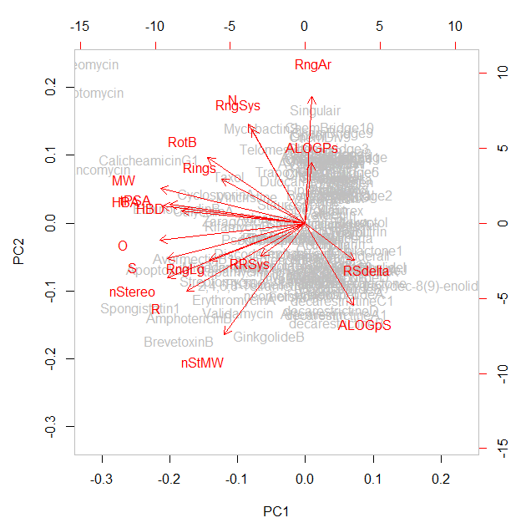
Zetia | 0.8898 | 1.8676 | -0.9277
Fosamax | 2.0312 | -1.3430 | 3.7815
Abilify | 1.6314 | 2.1693 | -1.1980
Levaquin | 1.3218 | 0.2918 | 0.3939
Lamictal | 2.4278 | 0.9776 | 1.0041
Celebrex | 1.7290 | 2.2711 | -0.5147
Benazepril | 0.6647 | 0.9433 | 0.2576
Zyrtec | 1.6542 | 1.3471 | -0.0014
Coreg | 0.8605 | 1.9555 | -0.9343
Valtrex | 0.9710 | 0.3460 | 2.0934
Adderall | 3.2339 | -1.0726 | 0.8186
Aciphex | 1.5560 | 1.1381 | 0.2252
Cymbalta | 2.1385 | 1.4764 | -1.3579
Crestor | 0.5662 | 0.7696 | 1.1225
Diovan | 0.9056 | 2.5406 | 0.2585
Tricor | 2.1997 | 1.4545 | -0.9427
Concerta | 2.2319 | -0.4940 | 0.4913 | PC2
Imitrex | 2.1436 | 0.4746 | 0.5623
AVG-DRUG | 1.5428 | 0.9231 | -0.1433
Forskolin | -0.5243 | -2.4979 | -0.1765
SQ26180 | 2.1173 | -1.5108 | 2.4752
CephamycinC | -0.2887 | -1.0403 | 2.7541
Thienamycin | 1.4973 | -2.0772 | 1.5619
Artemisinin | 0.4382 | -3.1026 | -1.6665
Coformycin | 0.2176 | -1.8260 | 1.8599
Arglabin | 1.0002 | -2.2215 | -1.5888
Mizoribine | 0.6578 | -1.7522 | 2.6874
Compactin | 0.1677 | -1.1473 | -0.8488
Bestatin | 1.2207 | -1.0340 | 2.2659
Plaunotol | 3.0177 | 0.0779 | 0.7592
Spergualin | 0.6037 | 0.4487 | 4.2871
Taxol | -4.1199 | 1.6156 | -1.2282
Rapamycin | -4.0479 | -1.6669 | -2.5250
AvermectinB1a | -5.8009 | -1.1986 | -2.4177
PseudomonicAcidA | -1.3722 | -0.5297 | 1.0636
Daptomycin | -11.6706 | 4.4686 | 5.1396
MidecamycinA1 | -4.1357 | -1.5365 | -0.0591
EchinocandinB | -6.9055 | 0.5111 | 1.7058
CalicheamicinG1 | -8.4565 | 2.1783 | 0.4626
Validamycin | -3.6428 | -3.1177 | 3.3146
CyclosporinA | -4.7878 | 0.9601 | 0.9225
FK506 | -3.2303 | -2.0619 | -1.8445
Lipstatin | 0.3536 | 1.1352 | -0.4131
Geldanamycin | -0.9705 | -0.5253 | -0.3792
Actinonin | 0.9880 | -0.7160 | 2.0666
Discodermolide | -2.4180 | -1.0260 | 0.9998
Monensin | -3.6982 | -1.4833 | -0.8974 |  |  |  |  |  |  |  | PC1
 | Drugs |  | Drugs-AVG |  | Natural Products |  | NPs-AVG |  | Macro NPs |  | Macro NPs-AVG |  | ChemBridge |  | ChemBridge-AVG |  | ChemDiv |  | ChemDiv-AVG |  | cpd |  | cpd-AVG
0.10384622 | -0.33264192 | 1.40112486 | 0.20904733 | -0.81743814 | -0.87908474 | -2.56831984 | -0.21159059 | 1.45912589 | 0.21463935 | 1.0776007 | -0.3148395 | 1.68926333 | 0.8296916 | 1.42829828 | 0.88958915 | 1.54059141 | -0.04435912 | 0.63000008 | 0.96614005 | 1.89517508 | 0.25021962 | 1.25422553 | -0.85931372
1.48795329 | 1.08600431 |  |  | 1.77103137 | 2.76428445 |  |  | 1.38735375 | 0.72505539 |  |  | 2.24560433 | 1.86805479 |  |  | 0.32900832 | 0.83210845 |  |  | 1.8640558 | -0.01979543
1.42123452 | 0.66951548 |  |  | -0.87522435 | 3.61267328 |  |  | 1.80500563 | 0.93410987 |  |  | 1.11877847 | 0.76751619 |  |  | 0.57503894 | 1.1983864 |  |  | 1.85053568 | -0.29136833
-1.19222468 | -2.76214143 |  |  | 1.19002755 | 1.57497295 |  |  | 1.15311201 | 1.34912916 |  |  | 1.25722013 | 0.60307967 |  |  | 0.3163283 | 0.87805029 |  |  | 1.59616083 | 0.28443261
1.01169955 | 0.08350397 |  |  | 0.27202221 | -2.47149787 |  |  | 2.82844295 | 0.32171264 |  |  | 1.61915281 | 1.15901549 |  |  | 0.12025704 | 1.58029208 |  |  | 1.56538894 | 0.0191422
0.66718025 | -2.37728691 |  |  | -0.21293829 | 2.23439415 |  |  | 2.28874168 | -0.33211834 |  |  | 1.61867106 | 1.15264294 |  |  | 0.33923265 | 1.32097393 |  |  | 1.56525454 | 0.01922973
2.35819396 | 0.20986225 |  |  | 0.76683398 | -1.8700218 |  |  | 2.75292709 | 0.34144611 |  |  | 0.83755916 | 1.46358412 |  |  | 1.01475969 | 1.05700719 |  |  | 1.5446953 | -0.27825698
2.19502088 | -0.54405837 |  |  | 0.27317534 | 2.81899473 |  |  | 2.74151545 | 0.51789439 |  |  | 1.20164792 | 1.13476413 |  |  | 1.05702685 | 0.43347565 |  |  | 1.59313083 | -0.5733504
0.17408036 | -2.16946996 |  |  | 0.05971288 | -1.80908463 |  |  | 0.74424992 | -0.07530459 |  |  | 1.39054791 | 0.1385109 |  |  | 0.5271268 | 1.29084066 |  |  | 1.54996965 | -0.89538095
1.00732392 | 0.78827178 |  |  | 0.88993138 | 2.30248881 |  |  | 2.80480626 | 0.32450499 |  |  | 1.30454783 | -0.22099316 |  |  | 0.48063889 | 1.11465234 |  |  | 1.50747137 | -1.20979616
1.95131345 | -0.53037046 |  |  | 3.0012309 | 0.11706355 |  |  | 3.24825504 | -0.20458102 |  |  |  |  |  |  |  |  |  |  | 1.28974854 | -0.5722782
1.50819187 | -0.05230995 |  |  | 0.20475095 | 4.38821267 |  |  | 1.95432105 | -1.05660762
1.01314223 | 1.27251797 |  |  | -4.49589972 | -0.88843391 |  |  | 0.02541995 | -1.27556756
2.31200354 | 0.42661992 |  |  | -4.28156061 | -3.64158526 |  |  | 1.88708946 | 0.19831155
1.60640012 | 0.17824906 |  |  | -6.24905081 | -3.23656708 |  |  | 1.76687758 | 0.28834408
2.04393236 | -1.90256021 |  |  | -1.63604653 | 0.09096378 |  |  | 2.1454355 | 0.19979489
2.82170389 | -0.22289517 |  |  | -12.78942202 | 6.54840286 |  |  | 1.6522402 | -0.44018454
1.38177479 | 0.66487564 |  |  | -4.48636424 | -1.14034584 |  |  | -1.59529253 | -2.60804738
1.43733784 | 0.3572216 |  |  | -7.49033342 | 1.17116859 |  |  | -0.76180556 | -1.25758179
2.07846427 | 0.36970589 |  |  | -9.01943786 | 0.10931077 |  |  | -1.12755844 | -0.73187144
0.15698414 | 0.26100435 |  |  | -4.36106195 | 3.16037569 |  |  | -1.40224561 | -1.58566788
2.12570951 | 0.94211149 |  |  | -5.11096899 | -0.22340737 |  |  | -0.79426989 | -1.15014361
0.80706307 | -0.59614409 |  |  | -3.47290215 | -2.79611647 |  |  | -0.32298302 | -0.4232689
1.59212464 | 4.18293966 |  |  | 0.41749799 | -1.88937054 |  |  | -0.77845674 | -1.83010993
1.58060542 | -0.69447964 |  |  | -1.30263179 | -0.40022865
1.09639444 | 0.96741563 |  |  | 0.74887169 | 1.60146803
2.28975237 | 1.48774418 |  |  | -2.66457855 | -0.70328025
1.64876284 | 0.1597749 |  |  | -3.98223091 | -2.03544773
0.49365896 | 0.38048302 |  |  | -5.9781245 | 0.88958845
1.52130472 | 0.42935219 |  |  | -6.76715457 | -0.77303855
0.72378975 | -0.22558976 |  |  | -2.39414267 | 0.788684
0.61120211 | 2.82715753 |  |  | -2.36308779 | -2.03292118
3.12951151 | 0.58029759 |  |  | -1.78128553 | -3.03195153
1.29971322 | 1.17349685 |  |  | -12.38301901 | 1.7650814
2.09757237 | -1.01236414 |  |  | -1.34109879 | 0.42261669
0.37050915 | 1.29366955 |  |  | -3.50420501 | -1.70001901
0.84539652 | 0.47157748 |  |  | 0.66432164 | -0.26386566
2.23389645 | -1.06534816 |  |  | 2.09965822 | 0.55192451
2.101924 | 0.37334727 |  |  | -0.11587458 | -1.65362719
1.93041237 | 1.21274965 |  |  | -0.60112179 | -3.08197097
 |  |  |  | -4.23749577 | -1.06938074
 |  |  |  | -5.53642989 | 4.35184532
 |  |  |  | 1.14358559 | 0.33907474
 |  |  |  | -3.29559488 | -0.60209427
 |  |  |  | 1.22864663 | -1.85899879
 |  |  |  | -9.44827816 | -4.4449496
 |  |  |  | 0.90733757 | -1.54258516
 |  |  |  | 0.69229373 | -1.64907481
 |  |  |  | -7.27246987 | -7.52810753
 |  |  |  | -3.98495485 | -1.74406749
...
CalyculinA | -5.4707 | 0.3928 | 1.5106
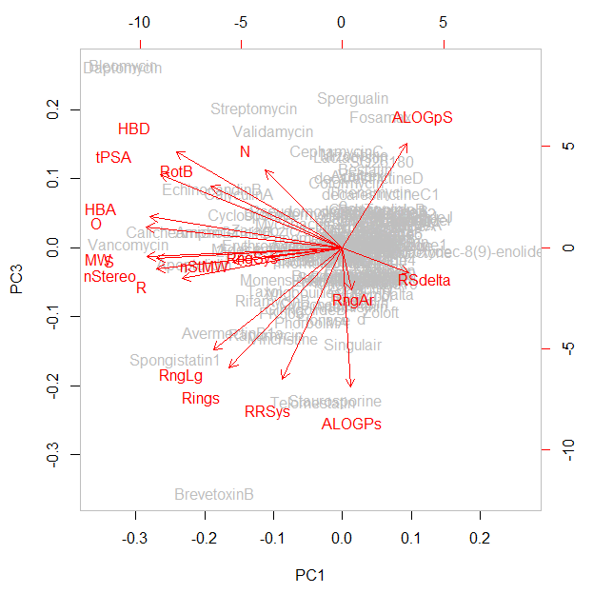
AmphotericinB | -6.2518 | -3.2794 | 0.4344
Adriamycin | -1.9199 | 0.1730 | 0.0176
GinkgolideB | -1.9497 | -3.8999 | -1.7891
PhorbolMA | -1.6442 | -0.4831 | -2.1290
Vancomycin | -11.3473 | 1.8313 | 0.0598
TrapoxinB | -1.0454 | 1.7437 | -0.1573
Vincristine | -3.1315 | 0.9366 | -2.6028
Colchicine | 0.9020 | 0.0094 | -0.6850
Trichostatin | 2.2139 | -0.0574 | 0.6915
Fumagillin | 0.0041 | -0.5310 | -0.9775
Staurosporine | -0.3970 | 0.6096 | -4.4047
ErythromycinA | -3.8642 | -2.6510 | 0.0559
Streptomycin | -4.6936 | -2.0123 | 3.9640
PenicillinG | 1.3475 | -0.4066 | 0.2385
ZaragozicAcidA | -3.0504 | 0.0382 | 0.4864
TalaromycinB | 1.2888 | -1.5695 | -0.9070
Spongistatin1 | -8.9005 | -2.9255 | -3.2288
Radicicol | 1.0390 | -1.3719 | -1.3609
SalicylihalamideA | 0.7209 | -0.0324 | -0.8720
BrevetoxinB | -6.8224 | -4.0420 | -7.0465
RifamycinB | -3.6461 | -0.1301 | -1.5375
Quinine | 1.2162 | -0.2067 | -0.7617
MycobactinS | -2.3563 | 3.2440 | 0.6793
Telomestatin | -1.5253 | 2.5712 | -4.4306
DuocarmycinA | -0.1460 | 1.4407 | -0.8333
Bleomycin | -11.6812 | 5.4437 | 5.2012
BrefeldinA | 1.0501 | -2.4089 | -0.1568
CytochalasinB | -0.8317 | -0.5360 | -1.6502
EpothiloneA | -0.5079 | -0.4219 | -0.9729 |  | PC3
Apoptolidin | -7.8865 | -1.6270 | -0.4973
Lactacystin | 0.4110 | -1.9913 | 2.5846
AVG-NP | -2.2114 | -0.5517 | -0.0114
ChemBridge1 | 1.8151 | 2.2321 | 0.0410
ChemBridge2 | 2.4870 | 0.9484 | 0.9486
ChemBridge3 | 1.2504 | 2.5506 | 0.0157
ChemBridge4 | 1.4183 | 2.1762 | -0.3665
ChemBridge5 | 1.7914 | 1.7458 | 0.3878
ChemBridge6 | 1.7904 | 1.7509 | 0.3802
ChemBridge7 | 1.0363 | 2.3563 | 0.5636
ChemBridge8 | 1.3678 | 2.3646 | 0.2658
ChemBridge9 | 1.4633 | 3.0827 | -0.7955
ChemBridge10 | 1.3432 | 3.2658 | -1.0346
AVG-ChemBridge | 1.5751 | 2.2548 | 0.0420
ChemDiv1 | 1.6694 | 2.0642 | -0.9566
ChemDiv2 | 0.5568 | 1.7107 | 0.0803
ChemDiv3 | 0.8236 | 2.0357 | 0.1131
ChemDiv4 | 0.5560 | 1.7180 | 0.0683
ChemDiv5 | 0.4200 | 2.1656 | 0.3978
ChemDiv6 | 0.6001 | 2.2022 | 0.2374
ChemDiv7 | 1.2321 | 1.8947 | 0.0229
ChemDiv8 | 1.2826 | 1.6351 | -0.7694
ChemDiv9 | 0.7998 | 2.9955 | -0.3648
ChemDiv10 | 0.7273 | 2.2582 | 0.0358
AVG-ChemDiv | 0.8696 | 2.0714 | -0.1122
decarestrictineA1 | 1.6945 | -3.1207 | 0.7907
decarestrictineB | 1.6772 | -3.4024 | 1.0694
decarestrictineC1 | 2.0253 | -2.6284 | 1.5482
decarestrictineD | 1.4353 | -2.9675 | 2.0267
diplodialideA | 2.9544 | -1.6709 | 0.6477
jasmineketolactone | 2.4562 | -2.0827 | -0.1358 |  |  |  |  |  |  |  |  |  | PC1
 | Drugs |  | Drugs-AVG |  | Natural Products |  | NPs-AVG |  | Macro NPs |  | Macro NPs-AVG |  | ChemBridge |  | ChemBridge-AVG |  | ChemDiv |  | ChemDiv-AVG |  | cpd |  | cpd-AVG
-0.33264192 | 3.63580384 | 0.20904733 | 1.04207926 | -0.87908474 | -2.41366851 | -0.21159059 | -0.51058629 | 0.21463935 | -3.52891271 | -0.3148395 | -1.90697782 | 0.8296916 | 2.2855581 | 0.88958915 | 2.27299227 | -0.04435912 | 2.37173674 | 0.96614005 | 1.97454508 | 0.25021962 | -0.97847687 | -0.85931372 | -0.04826693
1.08600431 | 0.59239639 |  |  | 2.76428445 | -2.71049476 |  |  | 0.72505539 | -4.08278192 |  |  | 1.86805479 | 0.38363195 |  |  | 0.83210845 | 1.65570861 |  |  | -0.01979543 | -0.73591608
0.66951548 | 1.12227153 |  |  | 3.61267328 | -2.61766463 |  |  | 0.93410987 | -3.19601767 |  |  | 0.76751619 | 2.67765268 |  |  | 1.1983864 | 1.85207124 |  |  | -0.29136833 | -0.52031891
-2.76214143 | -0.70837654 |  |  | 1.57497295 | -2.90946228 |  |  | 1.34912916 | -3.72751239 |  |  | 0.60307967 | 2.27053351 |  |  | 0.87805029 | 1.63429564 |  |  | 0.28443261 | -1.47164384
0.08350397 | 1.92281359 |  |  | -2.47149787 | -2.52072722 |  |  | 0.32171264 | -1.91000912 |  |  | 1.15901549 | 1.6009801 |  |  | 1.58029208 | 1.83841269 |  |  | 0.0191422 | -1.21339871
-2.37728691 | 5.37463183 |  |  | 2.23439415 | -2.93762884 |  |  | -0.33211834 | -2.18844548 |  |  | 1.15264294 | 1.60815556 |  |  | 1.32097393 | 1.99293775 |  |  | 0.01922973 | -1.21339185
0.20986225 | 0.11355807 |  |  | -1.8700218 | -1.77807834 |  |  | 0.34144611 | -1.73116699 |  |  | 1.46358412 | 2.18041156 |  |  | 1.05700719 | 1.75995466 |  |  | -0.27825698 | -0.94256486
-0.54405837 | 1.28086425 |  |  | 2.81899473 | -2.98751984 |  |  | 0.51789439 | -1.88592799 |  |  | 1.13476413 | 2.31372185 |  |  | 0.43347565 | 1.65695268 |  |  | -0.5733504 | 0.07218793
-2.16946996 | -0.29612932 |  |  | -1.80908463 | -0.48474269 |  |  | -0.07530459 | -1.17690591 |  |  | 0.1385109 | 3.52446442 |  |  | 1.29084066 | 2.84682743 |  |  | -0.89538095 | 0.37220029
0.78827178 | 0.77788336 |  |  | 2.30248881 | -1.96194314 |  |  | 0.32450499 | -1.88160071 |  |  | -0.22099316 | 3.88480749 |  |  | 1.11465234 | 2.13656527 |  |  | -1.20979616 | 0.66091133
-0.53037046 | 1.54918185 |  |  | 0.11706355 | 0.20779489 |  |  | -0.20458102 | -0.81692493 |  |  |  |  |  |  |  |  |  |  | -0.5722782 | -0.31721912
-0.05230995 | 1.78516588 |  |  | 4.38821267 | -1.04095411 |  |  | -1.05660762 | -1.93776952
1.27251797 | 0.78953858 |  |  | -0.88843391 | 2.17738983 |  |  | -1.27556756 | -0.09798155
0.42661992 | 1.46064296 |  |  | -3.64158526 | -0.52749121 |  |  | 0.19831155 | -2.70065851
0.17824906 | 1.70178055 |  |  | -3.23656708 | -0.15015662 |  |  | 0.28834408 | -2.5242986
-1.90256021 | 2.11769586 |  |  | 0.09096378 | -0.45908383 |  |  | 0.19979489 | -2.07358809
-0.22289517 | -0.05485845 |  |  | 6.54840286 | 2.46999394 |  |  | -0.44018454 | -0.49510326
0.66487564 | 1.57993354 |  |  | -1.14034584 | -1.27426113 |  |  | -2.60804738 | -0.67164231
0.3572216 | 2.19550586 |  |  | 1.17116859 | 0.2080997 |  |  | -1.25758179 | -1.83820571
0.36970589 | 1.20460734 |  |  | 0.10931077 | 2.51845561 |  |  | -0.73187144 | -2.495338
0.26100435 | -2.28510386 |  |  | 3.16037569 | -4.74579373 |  |  | -1.58566788 | -0.72302216
0.94211149 | -0.6245625 |  |  | -0.22340737 | 1.28422286 |  |  | -1.15014361 | -1.42275075
-0.59614409 | 2.44554046 |  |  | -2.79611647 | -1.30644469 |  |  | -0.4232689 | -1.93223481
4.18293966 | -3.04853539 |  |  | -1.88937054 | 2.28059726 |  |  | -1.83010993 | -0.72879014
-0.69447964 | 2.79173522 |  |  | -0.40022865 | -0.4547534
0.96741563 | 0.04515347 |  |  | 1.60146803 | -1.27336013
1.48774418 | 0.6535999 |  |  | -0.70328025 | -0.67258854
0.1597749 | 2.60222233 |  |  | -2.03544773 | -0.84435646
0.38048302 | 1.04819677 |  |  | 0.88958845 | 0.17361469
0.42935219 | 1.44585224 |  |  | -0.77303855 | -3.41777757
-0.22558976 | 2.35259932 |  |  | 0.788684 | -0.11540124
2.82715753 | -0.63153921 |  |  | -2.03292118 | -3.70926823
0.58029759 | -1.3162462 |  |  | -3.03195153 | 0.69625067
1.17349685 | 0.83468966 |  |  | 1.7650814 | 1.12289348
-1.01236414 | 2.127847 |  |  | 0.42261669 | 1.84785315
1.29366955 | 0.48691833 |  |  | -1.70001901 | 1.60331034
0.47157748 | 2.87203847 |  |  | -0.26386566 | 0.14387211
-1.06534816 | 2.21156435 |  |  | 0.55192451 | -0.17113389
0.37334727 | -0.59053393 |  |  | -1.65362719 | 0.10302676
1.21274965 | 0.11672314 |  |  | -3.08197097 | 1.75458383
 |  |  |  | -1.06938074 | -2.59397459
 |  |  |  | 4.35184532 | -4.03097872
 |  |  |  | 0.33907474 | -0.53252892
 |  |  |  | -0.60209427 | 0.47181457
 |  |  |  | -1.85899879 | -0.94447886
 |  |  |  | -4.4449496 | -1.65223677
 |  |  |  | -1.54258516 | -0.93138128
 |  |  |  | -1.64907481 | 0.75967676
 |  |  |  | -7.52810753 | -1.96661125
 |  |  |  | -1.74406749 | 0.5365371
...
phoracantholideI | 2.8746 | -1.5406 | 0.7699
phoracantholideJ | 2.8864 | -1.6040 | 0.8577
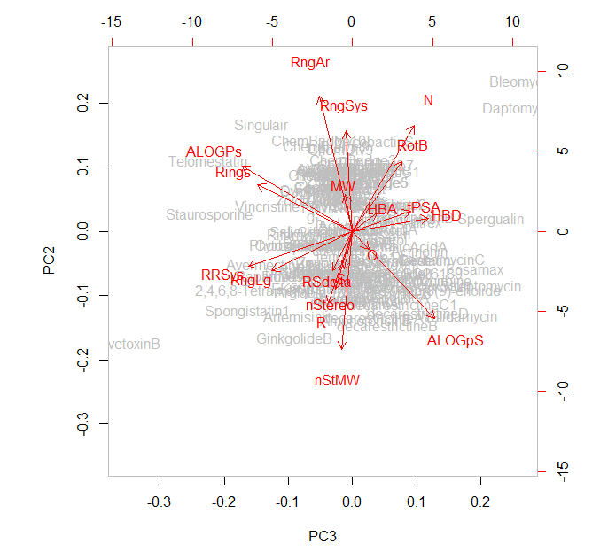
pinolidoxin | 0.8849 | -1.2427 | 0.9037
pyrenolideA | 2.9348 | -1.6365 | 0.6230
ferrulactone1 | 3.2942 | -0.9039 | 0.1173
2,4,6,8-Tetramethyl-3,4-dihydroxydec-8(9)-enolide | 2.0247 | -2.1656 | -0.1319
apicularenA | 0.1830 | -0.5861 | -0.9434
cladospolideA | 2.0253 | -2.4435 | 0.9912
cladospolideB | 1.9192 | -2.2744 | 1.0876
cladospolideD | 2.2804 | -1.8829 | 0.7938
curvularin | 1.7875 | -0.6741 | -0.3287
lyngbouilloside | -1.4919 | -1.5564 | -1.2889
methynolide | -0.5652 | -2.0973 | -0.2542
neomethymycin | -0.8660 | -2.4999 | 0.2538
pladienolideA | -1.2364 | -1.2697 | -0.3862
fluvirucinA1 | -0.6555 | -1.7722 | 0.1057
hypothemycin | -0.0312 | -1.8948 | -0.2315
iriomoteolide3a | -0.6513 | -1.4439 | -0.3946
AVG-MC_NP | 1.2400 | -1.8880 | 0.3515
a | 2.4016 | -1.0763 | 0.3034
b | 2.3679 | -0.9132 | 0.0453
c | 0.4758 | -1.2006 | 1.1080
d | 1.0428 | 0.0450 | -2.0159
e | 0.0523 | -0.3150 | 1.2473
f | 1.3251 | -1.1963 | -0.1311
g | 0.9084 | 0.4975 | -1.2685
h | 0.9440 | 0.3698 | -1.0238
i | 0.1271 | 1.0617 | -1.0440
j | 1.3978 | -0.7600 | 0.6782
k | 1.4051 | -0.8864 | 0.9420
AVG-cpd | 1.1254 | -0.3878 | -0.1076
 |  |  |  | PC2

 |  |  |  |  |  |  |  |  |  |  |  | PC3

